20241028MON
20241028MON

 | 0 | TODAY
 |  | NEW:

 |  | OLD:
 |  | m-479980
 |  | m-489567
 |  | m-444568
 |  | m-491628
 |  | m-491695

 | 0 | 20241028MON-001
 |  | RV
 |  | Haris Fadilah

 |  | Haris Fadilah: Pagi Pak Aryo. Pak mohon dibantu perbaikan RV Aplikasi No 00030...
 |  | sent on Monday, October 28, 2024 10:09

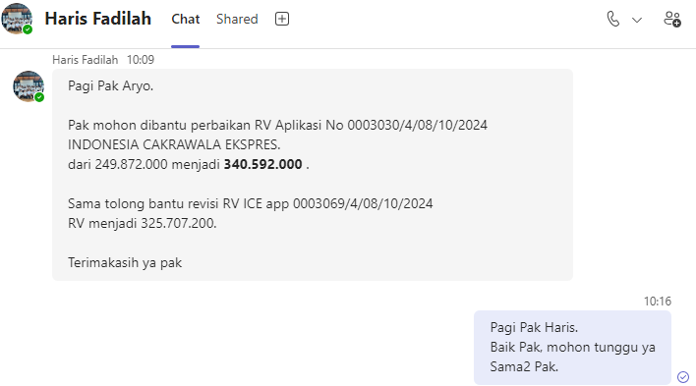

 |  | APPLICATION_NO
 |  | 0003030/4/08/10/2024 |  | 249.872.000 |  | 340.592.000
 |  | 0003069/4/08/10/2024 |  |  |  | 325.707.200

 |  | select
 |  | a.ASSET_RV_PCT,
 |  | a.ASSET_RV_AMOUNT,
 |  | a.*
 |  | from IFINOPL.dbo.APPLICATION_ASSET a
 |  | where a.APPLICATION_NO in (
 |  | replace('0003030/4/08/10/2024', '/', '.'),
 |  | replace('0003069/4/08/10/2024', '/', '.')
 |  | )

 |  | begin tran;

 |  | update IFINOPL.dbo.APPLICATION_ASSET
 |  | set
 |  | --ASSET_RV_PCT = 56, -- 56
 |  | ASSET_RV_AMOUNT = 340592000 -- 249872000.00
 |  | where APPLICATION_NO = replace('0003030/4/08/10/2024', '/', '.')
 |  | and ASSET_NO in (
 |  | '2008.OPLAA.2410.000255'
 |  | );

 |  | update IFINOPL.dbo.APPLICATION_ASSET
 |  | set
 |  | --ASSET_RV_PCT = 56, -- 56
 |  | ASSET_RV_AMOUNT = 325707200 -- 247307200.00
 |  | where APPLICATION_NO = replace('0003069/4/08/10/2024', '/', '.')
 |  | and ASSET_NO in (
 |  | '2008.OPLAA.2410.000290'
 |  | );

 |  | rollback tran;
 |  | --commit tran;

 |  | BEFORE

 |  | 0003030/4/08/10/2024 |  |  |  |  |  |  |  |  |  | 0003069/4/08/10/2024

 |  | AFTER

 |  | 0003030/4/08/10/2024 |  |  |  |  |  |  |  |  |  | 0003069/4/08/10/2024

 |  | Haris Fadilah: Pak aryo untuk no apk 3030 marketingnya Hapus aplikasi , jadinya di...
 |  | sent on Monday, October 28, 2024 11:03

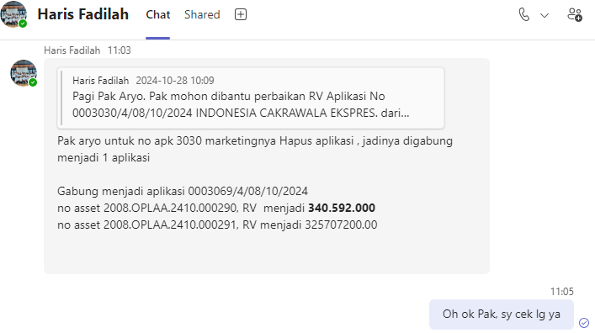

 |  | APPLICATION_NO
 |  | 0003069/4/08/10/2024

 |  | ASSET_NO
 |  | 2008.OPLAA.2410.000290 |  | 340592000
 |  | 2008.OPLAA.2410.000291 |  | 325707200

 |  | begin tran;

 |  | update IFINOPL.dbo.APPLICATION_ASSET
 |  | set
 |  | --ASSET_RV_PCT = 56, -- 56
 |  | ASSET_RV_AMOUNT = 325707200 -- 249872000.00
 |  | where APPLICATION_NO = replace('0003069/4/08/10/2024', '/', '.')
 |  | and ASSET_NO in (
 |  | '2008.OPLAA.2410.000291'
 |  | );

 |  | rollback tran;
 |  | --commit tran;

 |  | BEFORE |  |  |  |  |  |  |  |  |  | AFTER

 |  | ASSET_NO |  |  |  |  |  |  |  |  |  | ASSET_NO
 |  | 2008.OPLAA.2410.000291 |  |  |  |  |  |  |  |  |  | 2008.OPLAA.2410.000291

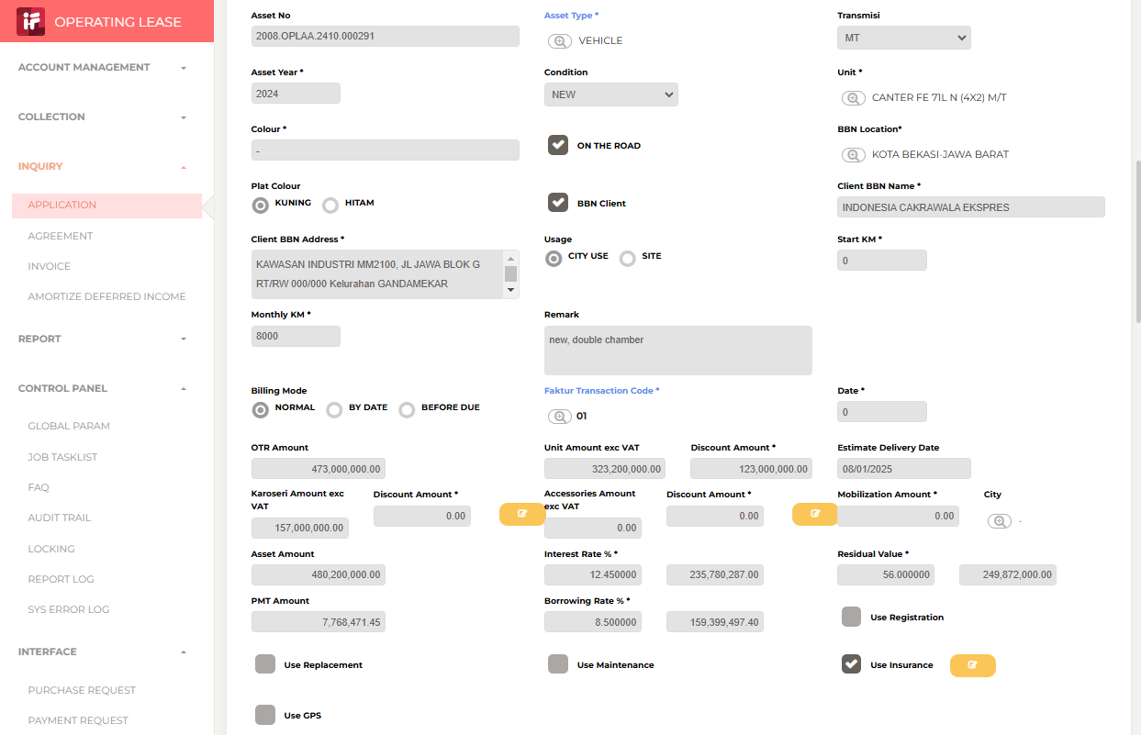
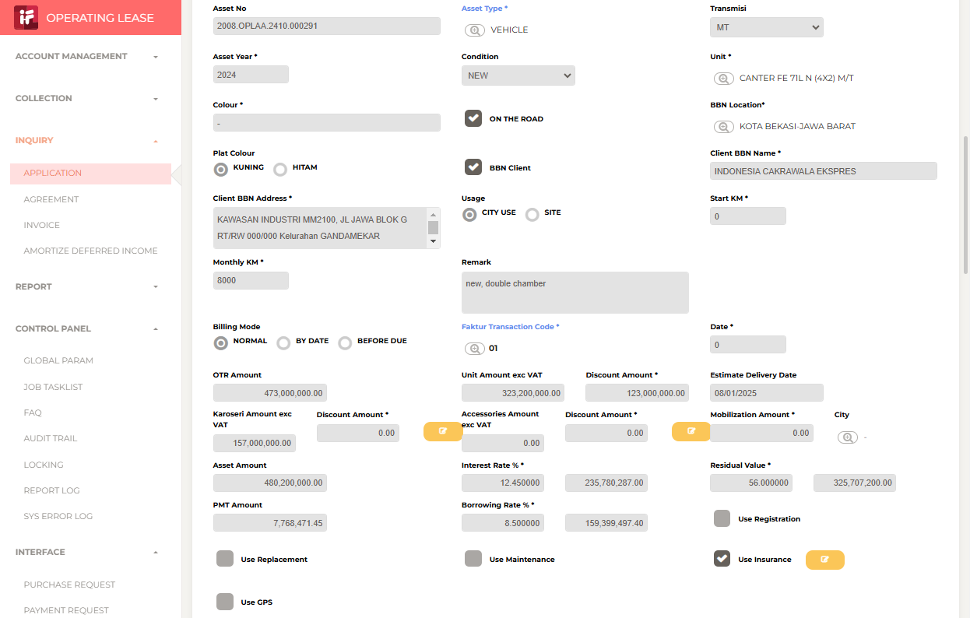

 |  | Aryo Budi Dwikarso Prasetyo (Guest): Done ya, Pak
 |  | sent on Monday, October 28, 2024 11:19

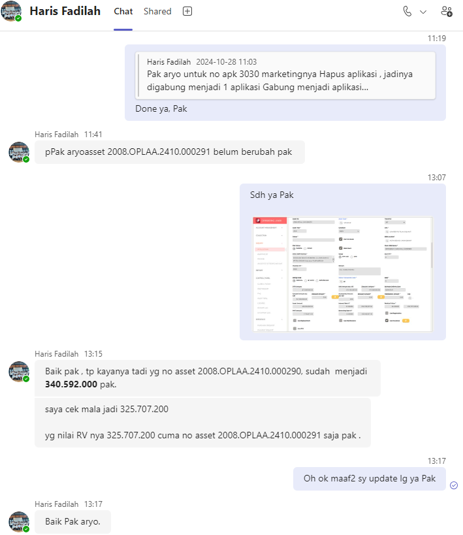

 |  | APPLICATION_NO
 |  | 0003069/4/08/10/2024

 |  | ASSET_NO
 |  | 2008.OPLAA.2410.000290 |  |  | 340592000
 |  | 2008.OPLAA.2410.000291 |  |  | 325707200

 |  | begin tran;

 |  | update IFINOPL.dbo.APPLICATION_ASSET
 |  | set
 |  | --ASSET_RV_PCT = 56, -- 56
 |  | ASSET_RV_AMOUNT = 340592000 -- 249872000.00
 |  | where APPLICATION_NO = replace('0003069/4/08/10/2024', '/', '.')
 |  | and ASSET_NO in (
 |  | '2008.OPLAA.2410.000290'
 |  | );

 |  | rollback tran;
 |  | --commit tran;

 |  | 2008.OPLAA.2410.000290

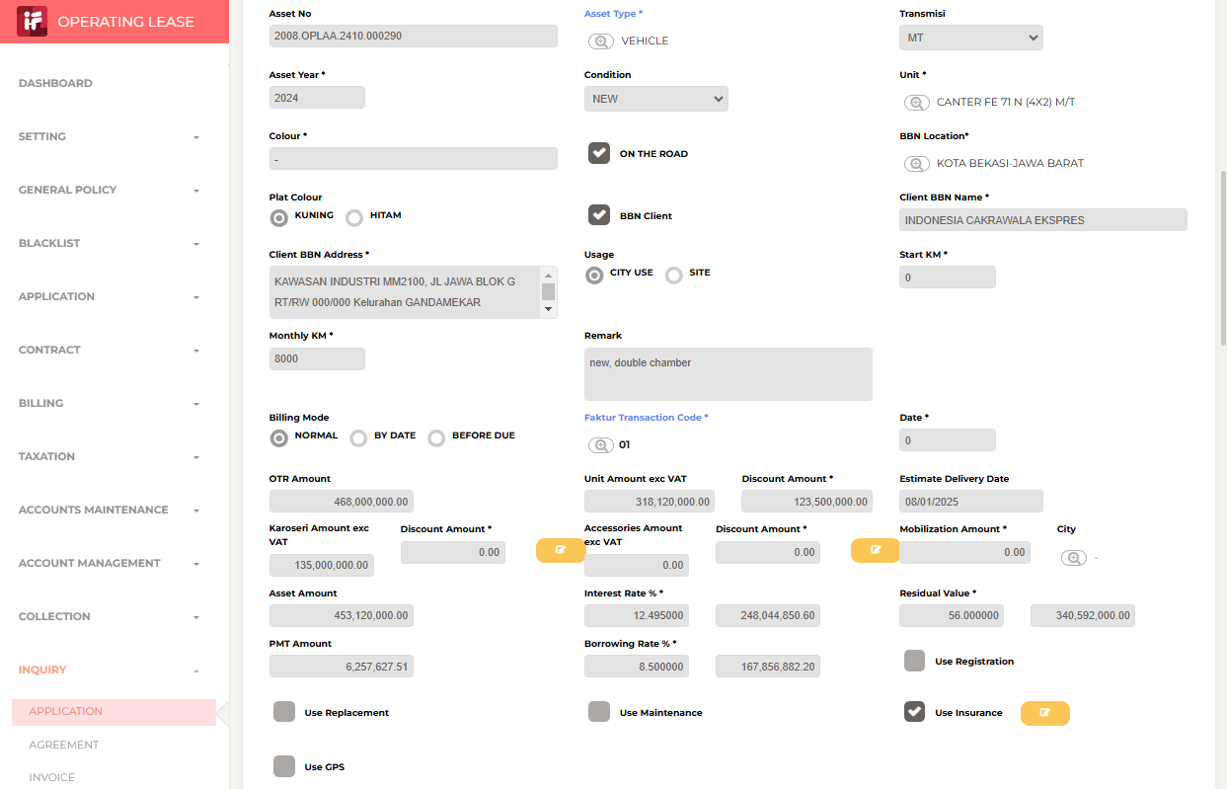

 |  | Aryo Budi Dwikarso Prasetyo (Guest): Asset no 2008.OPLAA.2410.000290 Sudah diruba...
 |  | sent on Monday, October 28, 2024 13:26

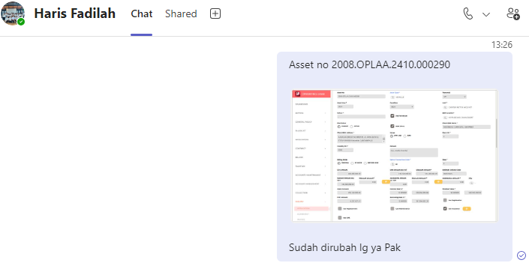

 |  | Haris Fadilah: Pak aryo mohon maaf banget, jadinya seperti ini, MO nya tadi kebali...
 |  | sent on Monday, October 28, 2024 15:13

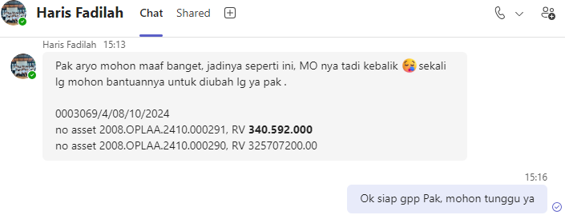

 |  | APPLICATION_NO
 |  | 0003069/4/08/10/2024

 |  | ASSET_NO
 |  | 2008.OPLAA.2410.000290 |  | 325707200
 |  | 2008.OPLAA.2410.000291 |  | 340592000

 |  | begin tran;

 |  | update IFINOPL.dbo.APPLICATION_ASSET
 |  | set
 |  | --ASSET_RV_PCT = 56, -- 56
 |  | ASSET_RV_AMOUNT = 325707200
 |  | where APPLICATION_NO = replace('0003069/4/08/10/2024', '/', '.')
 |  | and ASSET_NO in (
 |  | '2008.OPLAA.2410.000290'
 |  | );

 |  | update IFINOPL.dbo.APPLICATION_ASSET
 |  | set
 |  | --ASSET_RV_PCT = 56, -- 56
 |  | ASSET_RV_AMOUNT = 340592000 -- 249872000.00
 |  | where APPLICATION_NO = replace('0003069/4/08/10/2024', '/', '.')
 |  | and ASSET_NO in (
 |  | '2008.OPLAA.2410.000291'
 |  | );

 |  | rollback tran;
 |  | --commit tran;

 |  | BEFORE

 |  | 2008.OPLAA.2410.000290 |  |  |  |  |  |  |  |  |  | 2008.OPLAA.2410.000291

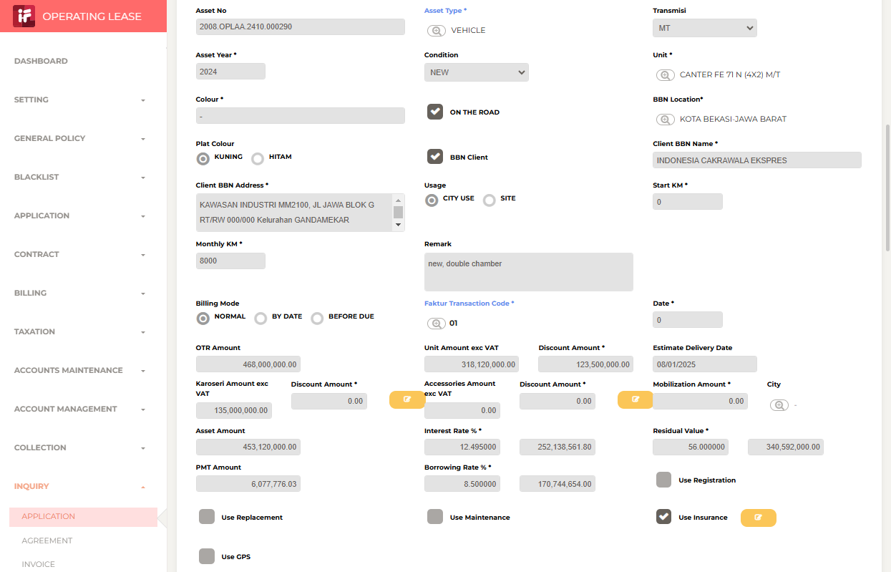


 |  | AFTER

 |  | 2008.OPLAA.2410.000290 |  |  |  |  |  |  |  |  |  | 2008.OPLAA.2410.000291




 |  | Aryo Budi Dwikarso Prasetyo (Guest): Sudah di-update lg ya, Pak
 |  | sent on Monday, October 28, 2024 15:30

 | 0 | 20241028MON-002
 |  | NPWP

 |  | Sabilla Pravita Larrasati (Guest): siang pak aryo, mau minta tlg sweeping NPWp yah...
 |  | sent on Monday, October 28, 2024 11:01

 |  | select distinct
 |  | b.AGREEMENT_NO,

 |  | '|' + a.BILLING_TO_NPWP as BILLING_TO_NPWP,
 |  | a.NPWP_NAME,
 |  | a.NPWP_ADDRESS,

 |  | b.BILLING_TO_NPWP_NEW,
 |  | b.NPWP_NAME_NEW,
 |  | b.NPWP_ADDRESS_NEW

 |  | from IFINOPL.dbo.AGREEMENT_ASSET a

 |  | right join (

 |  | ) b
 |  | on a.AGREEMENT_NO = replace(b.AGREEMENT_NO, '/', '.')

 |  | order by b.AGREEMENT_NO

 |  | AGREEMENT_NO | BEFORE (NAME) |  |  |  | AFTER (NAME) | BEFORE (NO) | AFTER (NO) | BEFORE (ADDRESS) | AFTER (ADDRESS)
 |  | 0002760/4/08/09/2024 |  |  |  |  |  | |313388712413000 | |0313388712413000 |  |  |  | select '0002760/4/08/09/2024' AGREEMENT_NO, '|313388712413000' BILLING_TO_NPWP_OLD, '|0313388712413000' BILLING_TO_NPWP_NEW union all
 |  | 0002593/4/10/07/2024 |  |  |  |  |  | |013415492062000 | |0013415492062000 |  |  |  | select '0002593/4/10/07/2024' AGREEMENT_NO, '|013415492062000' BILLING_TO_NPWP_OLD, '|0013415492062000' BILLING_TO_NPWP_NEW union all
 |  | 0002802/4/08/09/2024 |  |  |  |  |  | |00130424337073000 | |0013042437073000 |  |  |  | select '0002802/4/08/09/2024' AGREEMENT_NO, '|00130424337073000' BILLING_TO_NPWP_OLD, '|0013042437073000' BILLING_TO_NPWP_NEW union all
 |  | 0002801/4/10/09/2024 |  |  |  |  |  | |703345272022000 | |0703345272022000 |  |  |  | select '0002801/4/10/09/2024' AGREEMENT_NO, '|703345272022000' BILLING_TO_NPWP_OLD, '|0703345272022000' BILLING_TO_NPWP_NEW union all
 |  | 0002677/4/10/08/2024 |  |  |  |  |  | |013735303007000 | |0013735303007000 |  |  |  | select '0002677/4/10/08/2024' AGREEMENT_NO, '|013735303007000' BILLING_TO_NPWP_OLD, '|0013735303007000' BILLING_TO_NPWP_NEW union all
 |  | 0002716/4/08/08/2024 |  |  |  |  |  | |010028306092000 | |0010028306092000 |  |  |  | select '0002716/4/08/08/2024' AGREEMENT_NO, '|010028306092000' BILLING_TO_NPWP_OLD, '|0010028306092000' BILLING_TO_NPWP_NEW union all
 |  | 0002834/4/08/09/2024 |  |  |  |  |  | |31465165407500 | |0314651654075000 |  |  |  | select '0002834/4/08/09/2024' AGREEMENT_NO, '|31465165407500' BILLING_TO_NPWP_OLD, '|0314651654075000' BILLING_TO_NPWP_NEW union all
 |  | 0002841/4/10/09/2024 |  |  |  |  |  | |705439826063000 | |0705439826063000 |  |  |  | select '0002841/4/10/09/2024' AGREEMENT_NO, '|705439826063000' BILLING_TO_NPWP_OLD, '|0705439826063000' BILLING_TO_NPWP_NEW union all
 |  | 0002842/4/10/09/2024 |  |  |  |  |  | |705439826063000 | |0705439826063000 |  |  |  | select '0002842/4/10/09/2024' AGREEMENT_NO, '|705439826063000' BILLING_TO_NPWP_OLD, '|0705439826063000' BILLING_TO_NPWP_NEW union all
 |  | 0002987/4/08/10/2024 |  |  |  |  |  | |961454998643000 | |0961454998643000 |  |  |  | select '0002987/4/08/10/2024' AGREEMENT_NO, '|961454998643000' BILLING_TO_NPWP_OLD, '|0961454998643000' BILLING_TO_NPWP_NEW union all

 |  | 0002803/4/08/09/2024 | ASURANSI TOKIO MARINE INDONESIA |  |  |  | PT. ASURANSI TOKIO MARINE INDONESIA | |00130424337073000 | |0013042437073000 |  |  |  | select '0002803/4/08/09/2024' AGREEMENT_NO, '|00130424337073000' BILLING_TO_NPWP_OLD, '|0013042437073000' BILLING_TO_NPWP_NEW, 'ASURANSI TOKIO MARINE INDONESIA' NPWP_NAME_OLD, 'PT. ASURANSI TOKIO MARINE INDONESIA' NPWP_NAME_NEW union all
 |  | 0002804/4/08/09/2024 | ASURANSI TOKIO MARINE INDONESIA |  |  |  | PT. ASURANSI TOKIO MARINE INDONESIA | |00130424337073000 | |0013042437073000 |  |  |  | select '0002804/4/08/09/2024' AGREEMENT_NO, '|00130424337073000' BILLING_TO_NPWP_OLD, '|0013042437073000' BILLING_TO_NPWP_NEW, 'ASURANSI TOKIO MARINE INDONESIA' NPWP_NAME_OLD, 'PT. ASURANSI TOKIO MARINE INDONESIA' NPWP_NAME_NEW union all
 |  | 0002833/4/08/09/2024 | ASURANSI TOKIO MARINE INDONESIA |  |  |  | PT. ASURANSI TOKIO MARINE INDONESIA | |00130424337073000 | |0013042437073000 |  |  |  | select '0002833/4/08/09/2024' AGREEMENT_NO, '|00130424337073000' BILLING_TO_NPWP_OLD, '|0013042437073000' BILLING_TO_NPWP_NEW, 'ASURANSI TOKIO MARINE INDONESIA' NPWP_NAME_OLD, 'PT. ASURANSI TOKIO MARINE INDONESIA' NPWP_NAME_NEW union all
 |  | 0002687/4/08/08/2024 | AGRONESIA |  |  |  | PT. AGRONESIA | |011309598441000 | |0011309598441000 |  |  |  | select '0002687/4/08/08/2024' AGREEMENT_NO, '|011309598441000' BILLING_TO_NPWP_OLD, '|0011309598441000' BILLING_TO_NPWP_NEW, 'AGRONESIA' NPWP_NAME_OLD, 'PT. AGRONESIA' NPWP_NAME_NEW union all
 |  | 0002691/4/08/08/2024 | AGRONESIA |  |  |  | PT. AGRONESIA | |011309598441000 | |0011309598441000 |  |  |  | select '0002691/4/08/08/2024' AGREEMENT_NO, '|011309598441000' BILLING_TO_NPWP_OLD, '|0011309598441000' BILLING_TO_NPWP_NEW, 'AGRONESIA' NPWP_NAME_OLD, 'PT. AGRONESIA' NPWP_NAME_NEW union all
 |  | 0002820/4/10/09/2024 | AMARTHA MANUNGGAL PRIMA |  |  |  | PT. AMARTHA MANUNGGAL PRIMA | |651887093416000 | |0651887093416000 |  |  |  | select '0002820/4/10/09/2024' AGREEMENT_NO, '|651887093416000' BILLING_TO_NPWP_OLD, '|0651887093416000' BILLING_TO_NPWP_NEW, 'AMARTHA MANUNGGAL PRIMA' NPWP_NAME_OLD, 'PT. AMARTHA MANUNGGAL PRIMA' NPWP_NAME_NEW union all
 |  | 0002765/4/10/09/2024 | SIRKULASI KOMPAS GRAMEDIA |  |  |  | PT. SIRKULASI KOMPAS GRAMEDIA | |028165967073000 | |0028165967073000 |  |  |  | select '0002765/4/10/09/2024' AGREEMENT_NO, '|028165967073000' BILLING_TO_NPWP_OLD, '|0028165967073000' BILLING_TO_NPWP_NEW, 'SIRKULASI KOMPAS GRAMEDIA' NPWP_NAME_OLD, 'PT. SIRKULASI KOMPAS GRAMEDIA' NPWP_NAME_NEW union all
 |  | 0002846/4/10/09/2024 | KAO INDONESIA |  |  |  | PT. KAO INDONESIA | |10000784092000 | |0010000784092000 |  |  |  | select '0002846/4/10/09/2024' AGREEMENT_NO, '|10000784092000' BILLING_TO_NPWP_OLD, '|0010000784092000' BILLING_TO_NPWP_NEW, 'KAO INDONESIA' NPWP_NAME_OLD, 'PT. KAO INDONESIA' NPWP_NAME_NEW union all
 |  | 0002981/4/10/09/2024 | PINUS MERAH ABADI |  |  |  | PT. PINUS MERAH ABADI | |316483148422000 | |0316483148422000 |  |  |  | select '0002981/4/10/09/2024' AGREEMENT_NO, '|316483148422000' BILLING_TO_NPWP_OLD, '|0316483148422000' BILLING_TO_NPWP_NEW, 'PINUS MERAH ABADI' NPWP_NAME_OLD, 'PT. PINUS MERAH ABADI' NPWP_NAME_NEW union all
 |  | 0003007/4/10/10/2024 | PINUS MERAH ABADI |  |  |  | PT. PINUS MERAH ABADI | |316483148422000 | |0316483148422000 |  |  |  | select '0003007/4/10/10/2024' AGREEMENT_NO, '|316483148422000' BILLING_TO_NPWP_OLD, '|0316483148422000' BILLING_TO_NPWP_NEW, 'PINUS MERAH ABADI' NPWP_NAME_OLD, 'PT. PINUS MERAH ABADI' NPWP_NAME_NEW union all

 |  | 0000417/4/08/11/2020 |  |  |  |  |  |  |  | GD GRAHA 55 LT.3 JL TANAH ABANG II NO.57 RT.000 RW.000 KEL.PETOJO SELATAN KEC.GAMBIR KOTA/KAB.JAKARTA PUSAT DKI JAKARTA 10160 | GEDUNG GRAHA 55 LANTAI 3, JALAN TANAH ABANG II BLOK - NOMOR 57 RT:000 RW:000 Kel.PETOJO SELATAN, Kec.GAMBIR, KOTA ADM. JAKARTA PUSAT, DKI JAKARTA, 10160 |  | select '0000417/4/08/11/2020' AGREEMENT_NO, 'GD GRAHA 55 LT.3 JL TANAH ABANG II NO.57 RT.000 RW.000 KEL.PETOJO SELATAN KEC.GAMBIR KOTA/KAB.JAKARTA PUSAT DKI JAKARTA 10160' NPWP_ADDRESS_OLD, 'GEDUNG GRAHA 55 LANTAI 3, JALAN TANAH ABANG II BLOK - NOMOR 57 RT:000 RW:000 Kel.PETOJO SELATAN, Kec.GAMBIR, KOTA ADM. JAKARTA PUSAT, DKI JAKARTA, 10160' NPWP_ADDRESS_NEW union all
 |  | 0000418/4/08/11/2020 |  |  |  |  |  |  |  | GD GRAHA 55 LT.3 JL TANAH ABANG II NO.57 RT.000 RW.000 KEL.PETOJO SELATAN KEC.GAMBIR KOTA/KAB.JAKARTA PUSAT DKI JAKARTA 10160 | GEDUNG GRAHA 55 LANTAI 3, JALAN TANAH ABANG II BLOK - NOMOR 57 RT:000 RW:000 Kel.PETOJO SELATAN, Kec.GAMBIR, KOTA ADM. JAKARTA PUSAT, DKI JAKARTA, 10160 |  | select '0000418/4/08/11/2020' AGREEMENT_NO, 'GD GRAHA 55 LT.3 JL TANAH ABANG II NO.57 RT.000 RW.000 KEL.PETOJO SELATAN KEC.GAMBIR KOTA/KAB.JAKARTA PUSAT DKI JAKARTA 10160' NPWP_ADDRESS_OLD, 'GEDUNG GRAHA 55 LANTAI 3, JALAN TANAH ABANG II BLOK - NOMOR 57 RT:000 RW:000 Kel.PETOJO SELATAN, Kec.GAMBIR, KOTA ADM. JAKARTA PUSAT, DKI JAKARTA, 10160' NPWP_ADDRESS_NEW union all
 |  | 0000419/4/08/11/2020 |  |  |  |  |  |  |  | GD GRAHA 55 LT.3 JL TANAH ABANG II NO.57 RT.000 RW.000 KEL.PETOJO SELATAN KEC.GAMBIR KOTA/KAB.JAKARTA PUSAT DKI JAKARTA 10160 | GEDUNG GRAHA 55 LANTAI 3, JALAN TANAH ABANG II BLOK - NOMOR 57 RT:000 RW:000 Kel.PETOJO SELATAN, Kec.GAMBIR, KOTA ADM. JAKARTA PUSAT, DKI JAKARTA, 10160 |  | select '0000419/4/08/11/2020' AGREEMENT_NO, 'GD GRAHA 55 LT.3 JL TANAH ABANG II NO.57 RT.000 RW.000 KEL.PETOJO SELATAN KEC.GAMBIR KOTA/KAB.JAKARTA PUSAT DKI JAKARTA 10160' NPWP_ADDRESS_OLD, 'GEDUNG GRAHA 55 LANTAI 3, JALAN TANAH ABANG II BLOK - NOMOR 57 RT:000 RW:000 Kel.PETOJO SELATAN, Kec.GAMBIR, KOTA ADM. JAKARTA PUSAT, DKI JAKARTA, 10160' NPWP_ADDRESS_NEW union all
 |  | 0000420/4/08/11/2020 |  |  |  |  |  |  |  | GD GRAHA 55 LT.3 JL TANAH ABANG II NO.57 RT.000 RW.000 KEL.PETOJO SELATAN KEC.GAMBIR KOTA/KAB.JAKARTA PUSAT DKI JAKARTA 10160 | GEDUNG GRAHA 55 LANTAI 3, JALAN TANAH ABANG II BLOK - NOMOR 57 RT:000 RW:000 Kel.PETOJO SELATAN, Kec.GAMBIR, KOTA ADM. JAKARTA PUSAT, DKI JAKARTA, 10160 |  | select '0000420/4/08/11/2020' AGREEMENT_NO, 'GD GRAHA 55 LT.3 JL TANAH ABANG II NO.57 RT.000 RW.000 KEL.PETOJO SELATAN KEC.GAMBIR KOTA/KAB.JAKARTA PUSAT DKI JAKARTA 10160' NPWP_ADDRESS_OLD, 'GEDUNG GRAHA 55 LANTAI 3, JALAN TANAH ABANG II BLOK - NOMOR 57 RT:000 RW:000 Kel.PETOJO SELATAN, Kec.GAMBIR, KOTA ADM. JAKARTA PUSAT, DKI JAKARTA, 10160' NPWP_ADDRESS_NEW union all
 |  | 0000421/4/08/11/2020 |  |  |  |  |  |  |  | GD GRAHA 55 LT.3 JL TANAH ABANG II NO.57 RT.000 RW.000 KEL.PETOJO SELATAN KEC.GAMBIR KOTA/KAB.JAKARTA PUSAT DKI JAKARTA 10160 | GEDUNG GRAHA 55 LANTAI 3, JALAN TANAH ABANG II BLOK - NOMOR 57 RT:000 RW:000 Kel.PETOJO SELATAN, Kec.GAMBIR, KOTA ADM. JAKARTA PUSAT, DKI JAKARTA, 10160 |  | select '0000421/4/08/11/2020' AGREEMENT_NO, 'GD GRAHA 55 LT.3 JL TANAH ABANG II NO.57 RT.000 RW.000 KEL.PETOJO SELATAN KEC.GAMBIR KOTA/KAB.JAKARTA PUSAT DKI JAKARTA 10160' NPWP_ADDRESS_OLD, 'GEDUNG GRAHA 55 LANTAI 3, JALAN TANAH ABANG II BLOK - NOMOR 57 RT:000 RW:000 Kel.PETOJO SELATAN, Kec.GAMBIR, KOTA ADM. JAKARTA PUSAT, DKI JAKARTA, 10160' NPWP_ADDRESS_NEW union all
 |  | 0000422/4/08/11/2020 |  |  |  |  |  |  |  | GD GRAHA 55 LT.3 JL TANAH ABANG II NO.57 RT.000 RW.000 KEL.PETOJO SELATAN KEC.GAMBIR KOTA/KAB.JAKARTA PUSAT DKI JAKARTA 10160 | GEDUNG GRAHA 55 LANTAI 3, JALAN TANAH ABANG II BLOK - NOMOR 57 RT:000 RW:000 Kel.PETOJO SELATAN, Kec.GAMBIR, KOTA ADM. JAKARTA PUSAT, DKI JAKARTA, 10160 |  | select '0000422/4/08/11/2020' AGREEMENT_NO, 'GD GRAHA 55 LT.3 JL TANAH ABANG II NO.57 RT.000 RW.000 KEL.PETOJO SELATAN KEC.GAMBIR KOTA/KAB.JAKARTA PUSAT DKI JAKARTA 10160' NPWP_ADDRESS_OLD, 'GEDUNG GRAHA 55 LANTAI 3, JALAN TANAH ABANG II BLOK - NOMOR 57 RT:000 RW:000 Kel.PETOJO SELATAN, Kec.GAMBIR, KOTA ADM. JAKARTA PUSAT, DKI JAKARTA, 10160' NPWP_ADDRESS_NEW union all
 |  | 0000423/4/08/11/2020 |  |  |  |  |  |  |  | GD GRAHA 55 LT.3 JL TANAH ABANG II NO.57 RT.000 RW.000 KEL.PETOJO SELATAN KEC.GAMBIR KOTA/KAB.JAKARTA PUSAT DKI JAKARTA 10160 | GEDUNG GRAHA 55 LANTAI 3, JALAN TANAH ABANG II BLOK - NOMOR 57 RT:000 RW:000 Kel.PETOJO SELATAN, Kec.GAMBIR, KOTA ADM. JAKARTA PUSAT, DKI JAKARTA, 10160 |  | select '0000423/4/08/11/2020' AGREEMENT_NO, 'GD GRAHA 55 LT.3 JL TANAH ABANG II NO.57 RT.000 RW.000 KEL.PETOJO SELATAN KEC.GAMBIR KOTA/KAB.JAKARTA PUSAT DKI JAKARTA 10160' NPWP_ADDRESS_OLD, 'GEDUNG GRAHA 55 LANTAI 3, JALAN TANAH ABANG II BLOK - NOMOR 57 RT:000 RW:000 Kel.PETOJO SELATAN, Kec.GAMBIR, KOTA ADM. JAKARTA PUSAT, DKI JAKARTA, 10160' NPWP_ADDRESS_NEW union all
 |  | 0000424/4/08/11/2020 |  |  |  |  |  |  |  | GD GRAHA 55 LT.3 JL TANAH ABANG II NO.57 RT.000 RW.000 KEL.PETOJO SELATAN KEC.GAMBIR KOTA/KAB.JAKARTA PUSAT DKI JAKARTA 10160 | GEDUNG GRAHA 55 LANTAI 3, JALAN TANAH ABANG II BLOK - NOMOR 57 RT:000 RW:000 Kel.PETOJO SELATAN, Kec.GAMBIR, KOTA ADM. JAKARTA PUSAT, DKI JAKARTA, 10160 |  | select '0000424/4/08/11/2020' AGREEMENT_NO, 'GD GRAHA 55 LT.3 JL TANAH ABANG II NO.57 RT.000 RW.000 KEL.PETOJO SELATAN KEC.GAMBIR KOTA/KAB.JAKARTA PUSAT DKI JAKARTA 10160' NPWP_ADDRESS_OLD, 'GEDUNG GRAHA 55 LANTAI 3, JALAN TANAH ABANG II BLOK - NOMOR 57 RT:000 RW:000 Kel.PETOJO SELATAN, Kec.GAMBIR, KOTA ADM. JAKARTA PUSAT, DKI JAKARTA, 10160' NPWP_ADDRESS_NEW union all
 |  | 0000431/4/08/12/2020 |  |  |  |  |  |  |  | GD GRAHA 55 LT.3 JL TANAH ABANG II NO.57 RT.000 RW.000 KEL.PETOJO SELATAN KEC.GAMBIR KOTA/KAB.JAKARTA PUSAT DKI JAKARTA 10160 | GEDUNG GRAHA 55 LANTAI 3, JALAN TANAH ABANG II BLOK - NOMOR 57 RT:000 RW:000 Kel.PETOJO SELATAN, Kec.GAMBIR, KOTA ADM. JAKARTA PUSAT, DKI JAKARTA, 10160 |  | select '0000431/4/08/12/2020' AGREEMENT_NO, 'GD GRAHA 55 LT.3 JL TANAH ABANG II NO.57 RT.000 RW.000 KEL.PETOJO SELATAN KEC.GAMBIR KOTA/KAB.JAKARTA PUSAT DKI JAKARTA 10160' NPWP_ADDRESS_OLD, 'GEDUNG GRAHA 55 LANTAI 3, JALAN TANAH ABANG II BLOK - NOMOR 57 RT:000 RW:000 Kel.PETOJO SELATAN, Kec.GAMBIR, KOTA ADM. JAKARTA PUSAT, DKI JAKARTA, 10160' NPWP_ADDRESS_NEW union all
 |  | 0000432/4/08/12/2020 |  |  |  |  |  |  |  | GD GRAHA 55 LT.3 JL TANAH ABANG II NO.57 RT.000 RW.000 KEL.PETOJO SELATAN KEC.GAMBIR KOTA/KAB.JAKARTA PUSAT DKI JAKARTA 10160 | GEDUNG GRAHA 55 LANTAI 3, JALAN TANAH ABANG II BLOK - NOMOR 57 RT:000 RW:000 Kel.PETOJO SELATAN, Kec.GAMBIR, KOTA ADM. JAKARTA PUSAT, DKI JAKARTA, 10160 |  | select '0000432/4/08/12/2020' AGREEMENT_NO, 'GD GRAHA 55 LT.3 JL TANAH ABANG II NO.57 RT.000 RW.000 KEL.PETOJO SELATAN KEC.GAMBIR KOTA/KAB.JAKARTA PUSAT DKI JAKARTA 10160' NPWP_ADDRESS_OLD, 'GEDUNG GRAHA 55 LANTAI 3, JALAN TANAH ABANG II BLOK - NOMOR 57 RT:000 RW:000 Kel.PETOJO SELATAN, Kec.GAMBIR, KOTA ADM. JAKARTA PUSAT, DKI JAKARTA, 10160' NPWP_ADDRESS_NEW union all
 |  | 0000433/4/08/12/2020 |  |  |  |  |  |  |  | GD GRAHA 55 LT.3 JL TANAH ABANG II NO.57 RT.000 RW.000 KEL.PETOJO SELATAN KEC.GAMBIR KOTA/KAB.JAKARTA PUSAT DKI JAKARTA 10160 | GEDUNG GRAHA 55 LANTAI 3, JALAN TANAH ABANG II BLOK - NOMOR 57 RT:000 RW:000 Kel.PETOJO SELATAN, Kec.GAMBIR, KOTA ADM. JAKARTA PUSAT, DKI JAKARTA, 10160 |  | select '0000433/4/08/12/2020' AGREEMENT_NO, 'GD GRAHA 55 LT.3 JL TANAH ABANG II NO.57 RT.000 RW.000 KEL.PETOJO SELATAN KEC.GAMBIR KOTA/KAB.JAKARTA PUSAT DKI JAKARTA 10160' NPWP_ADDRESS_OLD, 'GEDUNG GRAHA 55 LANTAI 3, JALAN TANAH ABANG II BLOK - NOMOR 57 RT:000 RW:000 Kel.PETOJO SELATAN, Kec.GAMBIR, KOTA ADM. JAKARTA PUSAT, DKI JAKARTA, 10160' NPWP_ADDRESS_NEW union all
 |  | 0000434/4/08/12/2020 |  |  |  |  |  |  |  | GD GRAHA 55 LT.3 JL TANAH ABANG II NO.57 RT.000 RW.000 KEL.PETOJO SELATAN KEC.GAMBIR KOTA/KAB.JAKARTA PUSAT DKI JAKARTA 10160 | GEDUNG GRAHA 55 LANTAI 3, JALAN TANAH ABANG II BLOK - NOMOR 57 RT:000 RW:000 Kel.PETOJO SELATAN, Kec.GAMBIR, KOTA ADM. JAKARTA PUSAT, DKI JAKARTA, 10160 |  | select '0000434/4/08/12/2020' AGREEMENT_NO, 'GD GRAHA 55 LT.3 JL TANAH ABANG II NO.57 RT.000 RW.000 KEL.PETOJO SELATAN KEC.GAMBIR KOTA/KAB.JAKARTA PUSAT DKI JAKARTA 10160' NPWP_ADDRESS_OLD, 'GEDUNG GRAHA 55 LANTAI 3, JALAN TANAH ABANG II BLOK - NOMOR 57 RT:000 RW:000 Kel.PETOJO SELATAN, Kec.GAMBIR, KOTA ADM. JAKARTA PUSAT, DKI JAKARTA, 10160' NPWP_ADDRESS_NEW union all
 |  | 0000494/4/08/04/2021 |  |  |  |  |  |  |  | GD GRAHA 55 LT.3 JL TANAH ABANG II NO.57 RT.000 RW.000 KEL.PETOJO SELATAN KEC.GAMBIR KOTA/KAB.JAKARTA PUSAT DKI JAKARTA 10160 | GEDUNG GRAHA 55 LANTAI 3, JALAN TANAH ABANG II BLOK - NOMOR 57 RT:000 RW:000 Kel.PETOJO SELATAN, Kec.GAMBIR, KOTA ADM. JAKARTA PUSAT, DKI JAKARTA, 10160 |  | select '0000494/4/08/04/2021' AGREEMENT_NO, 'GD GRAHA 55 LT.3 JL TANAH ABANG II NO.57 RT.000 RW.000 KEL.PETOJO SELATAN KEC.GAMBIR KOTA/KAB.JAKARTA PUSAT DKI JAKARTA 10160' NPWP_ADDRESS_OLD, 'GEDUNG GRAHA 55 LANTAI 3, JALAN TANAH ABANG II BLOK - NOMOR 57 RT:000 RW:000 Kel.PETOJO SELATAN, Kec.GAMBIR, KOTA ADM. JAKARTA PUSAT, DKI JAKARTA, 10160' NPWP_ADDRESS_NEW union all
 |  | 0000495/4/08/04/2021 |  |  |  |  |  |  |  | GD GRAHA 55 LT.3 JL TANAH ABANG II NO.57 RT.000 RW.000 KEL.PETOJO SELATAN KEC.GAMBIR KOTA/KAB.JAKARTA PUSAT DKI JAKARTA 10160 | GEDUNG GRAHA 55 LANTAI 3, JALAN TANAH ABANG II BLOK - NOMOR 57 RT:000 RW:000 Kel.PETOJO SELATAN, Kec.GAMBIR, KOTA ADM. JAKARTA PUSAT, DKI JAKARTA, 10160 |  | select '0000495/4/08/04/2021' AGREEMENT_NO, 'GD GRAHA 55 LT.3 JL TANAH ABANG II NO.57 RT.000 RW.000 KEL.PETOJO SELATAN KEC.GAMBIR KOTA/KAB.JAKARTA PUSAT DKI JAKARTA 10160' NPWP_ADDRESS_OLD, 'GEDUNG GRAHA 55 LANTAI 3, JALAN TANAH ABANG II BLOK - NOMOR 57 RT:000 RW:000 Kel.PETOJO SELATAN, Kec.GAMBIR, KOTA ADM. JAKARTA PUSAT, DKI JAKARTA, 10160' NPWP_ADDRESS_NEW union all
 |  | 0000496/4/08/04/2021 |  |  |  |  |  |  |  | GD GRAHA 55 LT.3 JL TANAH ABANG II NO.57 RT.000 RW.000 KEL.PETOJO SELATAN KEC.GAMBIR KOTA/KAB.JAKARTA PUSAT DKI JAKARTA 10160 | GEDUNG GRAHA 55 LANTAI 3, JALAN TANAH ABANG II BLOK - NOMOR 57 RT:000 RW:000 Kel.PETOJO SELATAN, Kec.GAMBIR, KOTA ADM. JAKARTA PUSAT, DKI JAKARTA, 10160 |  | select '0000496/4/08/04/2021' AGREEMENT_NO, 'GD GRAHA 55 LT.3 JL TANAH ABANG II NO.57 RT.000 RW.000 KEL.PETOJO SELATAN KEC.GAMBIR KOTA/KAB.JAKARTA PUSAT DKI JAKARTA 10160' NPWP_ADDRESS_OLD, 'GEDUNG GRAHA 55 LANTAI 3, JALAN TANAH ABANG II BLOK - NOMOR 57 RT:000 RW:000 Kel.PETOJO SELATAN, Kec.GAMBIR, KOTA ADM. JAKARTA PUSAT, DKI JAKARTA, 10160' NPWP_ADDRESS_NEW union all
 |  | 0000497/4/08/04/2021 |  |  |  |  |  |  |  | GD GRAHA 55 LT.3 JL TANAH ABANG II NO.57 RT.000 RW.000 KEL.PETOJO SELATAN KEC.GAMBIR KOTA/KAB.JAKARTA PUSAT DKI JAKARTA 10160 | GEDUNG GRAHA 55 LANTAI 3, JALAN TANAH ABANG II BLOK - NOMOR 57 RT:000 RW:000 Kel.PETOJO SELATAN, Kec.GAMBIR, KOTA ADM. JAKARTA PUSAT, DKI JAKARTA, 10160 |  | select '0000497/4/08/04/2021' AGREEMENT_NO, 'GD GRAHA 55 LT.3 JL TANAH ABANG II NO.57 RT.000 RW.000 KEL.PETOJO SELATAN KEC.GAMBIR KOTA/KAB.JAKARTA PUSAT DKI JAKARTA 10160' NPWP_ADDRESS_OLD, 'GEDUNG GRAHA 55 LANTAI 3, JALAN TANAH ABANG II BLOK - NOMOR 57 RT:000 RW:000 Kel.PETOJO SELATAN, Kec.GAMBIR, KOTA ADM. JAKARTA PUSAT, DKI JAKARTA, 10160' NPWP_ADDRESS_NEW union all
 |  | 0000498/4/08/04/2021 |  |  |  |  |  |  |  | GD GRAHA 55 LT.3 JL TANAH ABANG II NO.57 RT.000 RW.000 KEL.PETOJO SELATAN KEC.GAMBIR KOTA/KAB.JAKARTA PUSAT DKI JAKARTA 10160 | GEDUNG GRAHA 55 LANTAI 3, JALAN TANAH ABANG II BLOK - NOMOR 57 RT:000 RW:000 Kel.PETOJO SELATAN, Kec.GAMBIR, KOTA ADM. JAKARTA PUSAT, DKI JAKARTA, 10160 |  | select '0000498/4/08/04/2021' AGREEMENT_NO, 'GD GRAHA 55 LT.3 JL TANAH ABANG II NO.57 RT.000 RW.000 KEL.PETOJO SELATAN KEC.GAMBIR KOTA/KAB.JAKARTA PUSAT DKI JAKARTA 10160' NPWP_ADDRESS_OLD, 'GEDUNG GRAHA 55 LANTAI 3, JALAN TANAH ABANG II BLOK - NOMOR 57 RT:000 RW:000 Kel.PETOJO SELATAN, Kec.GAMBIR, KOTA ADM. JAKARTA PUSAT, DKI JAKARTA, 10160' NPWP_ADDRESS_NEW union all
 |  | 0000506/4/08/04/2021 |  |  |  |  |  |  |  | GD GRAHA 55 LT.3 JL TANAH ABANG II NO.57 RT.000 RW.000 KEL.PETOJO SELATAN KEC.GAMBIR KOTA/KAB.JAKARTA PUSAT DKI JAKARTA 10160 | GEDUNG GRAHA 55 LANTAI 3, JALAN TANAH ABANG II BLOK - NOMOR 57 RT:000 RW:000 Kel.PETOJO SELATAN, Kec.GAMBIR, KOTA ADM. JAKARTA PUSAT, DKI JAKARTA, 10160 |  | select '0000506/4/08/04/2021' AGREEMENT_NO, 'GD GRAHA 55 LT.3 JL TANAH ABANG II NO.57 RT.000 RW.000 KEL.PETOJO SELATAN KEC.GAMBIR KOTA/KAB.JAKARTA PUSAT DKI JAKARTA 10160' NPWP_ADDRESS_OLD, 'GEDUNG GRAHA 55 LANTAI 3, JALAN TANAH ABANG II BLOK - NOMOR 57 RT:000 RW:000 Kel.PETOJO SELATAN, Kec.GAMBIR, KOTA ADM. JAKARTA PUSAT, DKI JAKARTA, 10160' NPWP_ADDRESS_NEW union all
 |  | 0000554/4/08/08/2021 |  |  |  |  |  |  |  | GD GRAHA 55 LT.3 JL TANAH ABANG II NO.57 RT.000 RW.000 KEL.PETOJO SELATAN KEC.GAMBIR KOTA/KAB.JAKARTA PUSAT DKI JAKARTA 10160 | GEDUNG GRAHA 55 LANTAI 3, JALAN TANAH ABANG II BLOK - NOMOR 57 RT:000 RW:000 Kel.PETOJO SELATAN, Kec.GAMBIR, KOTA ADM. JAKARTA PUSAT, DKI JAKARTA, 10160 |  | select '0000554/4/08/08/2021' AGREEMENT_NO, 'GD GRAHA 55 LT.3 JL TANAH ABANG II NO.57 RT.000 RW.000 KEL.PETOJO SELATAN KEC.GAMBIR KOTA/KAB.JAKARTA PUSAT DKI JAKARTA 10160' NPWP_ADDRESS_OLD, 'GEDUNG GRAHA 55 LANTAI 3, JALAN TANAH ABANG II BLOK - NOMOR 57 RT:000 RW:000 Kel.PETOJO SELATAN, Kec.GAMBIR, KOTA ADM. JAKARTA PUSAT, DKI JAKARTA, 10160' NPWP_ADDRESS_NEW union all
 |  | 0000555/4/08/08/2021 |  |  |  |  |  |  |  | GD GRAHA 55 LT.3 JL TANAH ABANG II NO.57 RT.000 RW.000 KEL.PETOJO SELATAN KEC.GAMBIR KOTA/KAB.JAKARTA PUSAT DKI JAKARTA 10160 | GEDUNG GRAHA 55 LANTAI 3, JALAN TANAH ABANG II BLOK - NOMOR 57 RT:000 RW:000 Kel.PETOJO SELATAN, Kec.GAMBIR, KOTA ADM. JAKARTA PUSAT, DKI JAKARTA, 10160 |  | select '0000555/4/08/08/2021' AGREEMENT_NO, 'GD GRAHA 55 LT.3 JL TANAH ABANG II NO.57 RT.000 RW.000 KEL.PETOJO SELATAN KEC.GAMBIR KOTA/KAB.JAKARTA PUSAT DKI JAKARTA 10160' NPWP_ADDRESS_OLD, 'GEDUNG GRAHA 55 LANTAI 3, JALAN TANAH ABANG II BLOK - NOMOR 57 RT:000 RW:000 Kel.PETOJO SELATAN, Kec.GAMBIR, KOTA ADM. JAKARTA PUSAT, DKI JAKARTA, 10160' NPWP_ADDRESS_NEW union all
 |  | 0000556/4/08/08/2021 |  |  |  |  |  |  |  | GD GRAHA 55 LT.3 JL TANAH ABANG II NO.57 RT.000 RW.000 KEL.PETOJO SELATAN KEC.GAMBIR KOTA/KAB.JAKARTA PUSAT DKI JAKARTA 10160 | GEDUNG GRAHA 55 LANTAI 3, JALAN TANAH ABANG II BLOK - NOMOR 57 RT:000 RW:000 Kel.PETOJO SELATAN, Kec.GAMBIR, KOTA ADM. JAKARTA PUSAT, DKI JAKARTA, 10160 |  | select '0000556/4/08/08/2021' AGREEMENT_NO, 'GD GRAHA 55 LT.3 JL TANAH ABANG II NO.57 RT.000 RW.000 KEL.PETOJO SELATAN KEC.GAMBIR KOTA/KAB.JAKARTA PUSAT DKI JAKARTA 10160' NPWP_ADDRESS_OLD, 'GEDUNG GRAHA 55 LANTAI 3, JALAN TANAH ABANG II BLOK - NOMOR 57 RT:000 RW:000 Kel.PETOJO SELATAN, Kec.GAMBIR, KOTA ADM. JAKARTA PUSAT, DKI JAKARTA, 10160' NPWP_ADDRESS_NEW union all
 |  | 0000557/4/08/08/2021 |  |  |  |  |  |  |  | GD GRAHA 55 LT.3 JL TANAH ABANG II NO.57 RT.000 RW.000 KEL.PETOJO SELATAN KEC.GAMBIR KOTA/KAB.JAKARTA PUSAT DKI JAKARTA 10160 | GEDUNG GRAHA 55 LANTAI 3, JALAN TANAH ABANG II BLOK - NOMOR 57 RT:000 RW:000 Kel.PETOJO SELATAN, Kec.GAMBIR, KOTA ADM. JAKARTA PUSAT, DKI JAKARTA, 10160 |  | select '0000557/4/08/08/2021' AGREEMENT_NO, 'GD GRAHA 55 LT.3 JL TANAH ABANG II NO.57 RT.000 RW.000 KEL.PETOJO SELATAN KEC.GAMBIR KOTA/KAB.JAKARTA PUSAT DKI JAKARTA 10160' NPWP_ADDRESS_OLD, 'GEDUNG GRAHA 55 LANTAI 3, JALAN TANAH ABANG II BLOK - NOMOR 57 RT:000 RW:000 Kel.PETOJO SELATAN, Kec.GAMBIR, KOTA ADM. JAKARTA PUSAT, DKI JAKARTA, 10160' NPWP_ADDRESS_NEW union all
 |  | 0000558/4/08/08/2021 |  |  |  |  |  |  |  | GD GRAHA 55 LT.3 JL TANAH ABANG II NO.57 RT.000 RW.000 KEL.PETOJO SELATAN KEC.GAMBIR KOTA/KAB.JAKARTA PUSAT DKI JAKARTA 10160 | GEDUNG GRAHA 55 LANTAI 3, JALAN TANAH ABANG II BLOK - NOMOR 57 RT:000 RW:000 Kel.PETOJO SELATAN, Kec.GAMBIR, KOTA ADM. JAKARTA PUSAT, DKI JAKARTA, 10160 |  | select '0000558/4/08/08/2021' AGREEMENT_NO, 'GD GRAHA 55 LT.3 JL TANAH ABANG II NO.57 RT.000 RW.000 KEL.PETOJO SELATAN KEC.GAMBIR KOTA/KAB.JAKARTA PUSAT DKI JAKARTA 10160' NPWP_ADDRESS_OLD, 'GEDUNG GRAHA 55 LANTAI 3, JALAN TANAH ABANG II BLOK - NOMOR 57 RT:000 RW:000 Kel.PETOJO SELATAN, Kec.GAMBIR, KOTA ADM. JAKARTA PUSAT, DKI JAKARTA, 10160' NPWP_ADDRESS_NEW union all
 |  | 0000559/4/08/08/2021 |  |  |  |  |  |  |  | GD GRAHA 55 LT.3 JL TANAH ABANG II NO.57 RT.000 RW.000 KEL.PETOJO SELATAN KEC.GAMBIR KOTA/KAB.JAKARTA PUSAT DKI JAKARTA 10160 | GEDUNG GRAHA 55 LANTAI 3, JALAN TANAH ABANG II BLOK - NOMOR 57 RT:000 RW:000 Kel.PETOJO SELATAN, Kec.GAMBIR, KOTA ADM. JAKARTA PUSAT, DKI JAKARTA, 10160 |  | select '0000559/4/08/08/2021' AGREEMENT_NO, 'GD GRAHA 55 LT.3 JL TANAH ABANG II NO.57 RT.000 RW.000 KEL.PETOJO SELATAN KEC.GAMBIR KOTA/KAB.JAKARTA PUSAT DKI JAKARTA 10160' NPWP_ADDRESS_OLD, 'GEDUNG GRAHA 55 LANTAI 3, JALAN TANAH ABANG II BLOK - NOMOR 57 RT:000 RW:000 Kel.PETOJO SELATAN, Kec.GAMBIR, KOTA ADM. JAKARTA PUSAT, DKI JAKARTA, 10160' NPWP_ADDRESS_NEW union all
 |  | 0000560/4/08/08/2021 |  |  |  |  |  |  |  | GD GRAHA 55 LT.3 JL TANAH ABANG II NO.57 RT.000 RW.000 KEL.PETOJO SELATAN KEC.GAMBIR KOTA/KAB.JAKARTA PUSAT DKI JAKARTA 10160 | GEDUNG GRAHA 55 LANTAI 3, JALAN TANAH ABANG II BLOK - NOMOR 57 RT:000 RW:000 Kel.PETOJO SELATAN, Kec.GAMBIR, KOTA ADM. JAKARTA PUSAT, DKI JAKARTA, 10160 |  | select '0000560/4/08/08/2021' AGREEMENT_NO, 'GD GRAHA 55 LT.3 JL TANAH ABANG II NO.57 RT.000 RW.000 KEL.PETOJO SELATAN KEC.GAMBIR KOTA/KAB.JAKARTA PUSAT DKI JAKARTA 10160' NPWP_ADDRESS_OLD, 'GEDUNG GRAHA 55 LANTAI 3, JALAN TANAH ABANG II BLOK - NOMOR 57 RT:000 RW:000 Kel.PETOJO SELATAN, Kec.GAMBIR, KOTA ADM. JAKARTA PUSAT, DKI JAKARTA, 10160' NPWP_ADDRESS_NEW union all
 |  | 0000561/4/08/08/2021 |  |  |  |  |  |  |  | GD GRAHA 55 LT.3 JL TANAH ABANG II NO.57 RT.000 RW.000 KEL.PETOJO SELATAN KEC.GAMBIR KOTA/KAB.JAKARTA PUSAT DKI JAKARTA 10160 | GEDUNG GRAHA 55 LANTAI 3, JALAN TANAH ABANG II BLOK - NOMOR 57 RT:000 RW:000 Kel.PETOJO SELATAN, Kec.GAMBIR, KOTA ADM. JAKARTA PUSAT, DKI JAKARTA, 10160 |  | select '0000561/4/08/08/2021' AGREEMENT_NO, 'GD GRAHA 55 LT.3 JL TANAH ABANG II NO.57 RT.000 RW.000 KEL.PETOJO SELATAN KEC.GAMBIR KOTA/KAB.JAKARTA PUSAT DKI JAKARTA 10160' NPWP_ADDRESS_OLD, 'GEDUNG GRAHA 55 LANTAI 3, JALAN TANAH ABANG II BLOK - NOMOR 57 RT:000 RW:000 Kel.PETOJO SELATAN, Kec.GAMBIR, KOTA ADM. JAKARTA PUSAT, DKI JAKARTA, 10160' NPWP_ADDRESS_NEW union all
 |  | 0000562/4/08/08/2021 |  |  |  |  |  |  |  | GD GRAHA 55 LT.3 JL TANAH ABANG II NO.57 RT.000 RW.000 KEL.PETOJO SELATAN KEC.GAMBIR KOTA/KAB.JAKARTA PUSAT DKI JAKARTA 10160 | GEDUNG GRAHA 55 LANTAI 3, JALAN TANAH ABANG II BLOK - NOMOR 57 RT:000 RW:000 Kel.PETOJO SELATAN, Kec.GAMBIR, KOTA ADM. JAKARTA PUSAT, DKI JAKARTA, 10160 |  | select '0000562/4/08/08/2021' AGREEMENT_NO, 'GD GRAHA 55 LT.3 JL TANAH ABANG II NO.57 RT.000 RW.000 KEL.PETOJO SELATAN KEC.GAMBIR KOTA/KAB.JAKARTA PUSAT DKI JAKARTA 10160' NPWP_ADDRESS_OLD, 'GEDUNG GRAHA 55 LANTAI 3, JALAN TANAH ABANG II BLOK - NOMOR 57 RT:000 RW:000 Kel.PETOJO SELATAN, Kec.GAMBIR, KOTA ADM. JAKARTA PUSAT, DKI JAKARTA, 10160' NPWP_ADDRESS_NEW union all
 |  | 0000563/4/08/08/2021 |  |  |  |  |  |  |  | GD GRAHA 55 LT.3 JL TANAH ABANG II NO.57 RT.000 RW.000 KEL.PETOJO SELATAN KEC.GAMBIR KOTA/KAB.JAKARTA PUSAT DKI JAKARTA 10160 | GEDUNG GRAHA 55 LANTAI 3, JALAN TANAH ABANG II BLOK - NOMOR 57 RT:000 RW:000 Kel.PETOJO SELATAN, Kec.GAMBIR, KOTA ADM. JAKARTA PUSAT, DKI JAKARTA, 10160 |  | select '0000563/4/08/08/2021' AGREEMENT_NO, 'GD GRAHA 55 LT.3 JL TANAH ABANG II NO.57 RT.000 RW.000 KEL.PETOJO SELATAN KEC.GAMBIR KOTA/KAB.JAKARTA PUSAT DKI JAKARTA 10160' NPWP_ADDRESS_OLD, 'GEDUNG GRAHA 55 LANTAI 3, JALAN TANAH ABANG II BLOK - NOMOR 57 RT:000 RW:000 Kel.PETOJO SELATAN, Kec.GAMBIR, KOTA ADM. JAKARTA PUSAT, DKI JAKARTA, 10160' NPWP_ADDRESS_NEW union all
 |  | 0000571/4/08/08/2021 |  |  |  |  |  |  |  | GD GRAHA 55 LT.3 JL TANAH ABANG II NO.57 RT.000 RW.000 KEL.PETOJO SELATAN KEC.GAMBIR KOTA/KAB.JAKARTA PUSAT DKI JAKARTA 10160 | GEDUNG GRAHA 55 LANTAI 3, JALAN TANAH ABANG II BLOK - NOMOR 57 RT:000 RW:000 Kel.PETOJO SELATAN, Kec.GAMBIR, KOTA ADM. JAKARTA PUSAT, DKI JAKARTA, 10160 |  | select '0000571/4/08/08/2021' AGREEMENT_NO, 'GD GRAHA 55 LT.3 JL TANAH ABANG II NO.57 RT.000 RW.000 KEL.PETOJO SELATAN KEC.GAMBIR KOTA/KAB.JAKARTA PUSAT DKI JAKARTA 10160' NPWP_ADDRESS_OLD, 'GEDUNG GRAHA 55 LANTAI 3, JALAN TANAH ABANG II BLOK - NOMOR 57 RT:000 RW:000 Kel.PETOJO SELATAN, Kec.GAMBIR, KOTA ADM. JAKARTA PUSAT, DKI JAKARTA, 10160' NPWP_ADDRESS_NEW union all
 |  | 0000583/4/08/10/2021 |  |  |  |  |  |  |  | GD GRAHA 55 LT.3 JL TANAH ABANG II NO.57 RT.000 RW.000 KEL.PETOJO SELATAN KEC.GAMBIR KOTA/KAB.JAKARTA PUSAT DKI JAKARTA 10160 | GEDUNG GRAHA 55 LANTAI 3, JALAN TANAH ABANG II BLOK - NOMOR 57 RT:000 RW:000 Kel.PETOJO SELATAN, Kec.GAMBIR, KOTA ADM. JAKARTA PUSAT, DKI JAKARTA, 10160 |  | select '0000583/4/08/10/2021' AGREEMENT_NO, 'GD GRAHA 55 LT.3 JL TANAH ABANG II NO.57 RT.000 RW.000 KEL.PETOJO SELATAN KEC.GAMBIR KOTA/KAB.JAKARTA PUSAT DKI JAKARTA 10160' NPWP_ADDRESS_OLD, 'GEDUNG GRAHA 55 LANTAI 3, JALAN TANAH ABANG II BLOK - NOMOR 57 RT:000 RW:000 Kel.PETOJO SELATAN, Kec.GAMBIR, KOTA ADM. JAKARTA PUSAT, DKI JAKARTA, 10160' NPWP_ADDRESS_NEW union all
 |  | 0000584/4/08/10/2021 |  |  |  |  |  |  |  | GD GRAHA 55 LT.3 JL TANAH ABANG II NO.57 RT.000 RW.000 KEL.PETOJO SELATAN KEC.GAMBIR KOTA/KAB.JAKARTA PUSAT DKI JAKARTA 10160 | GEDUNG GRAHA 55 LANTAI 3, JALAN TANAH ABANG II BLOK - NOMOR 57 RT:000 RW:000 Kel.PETOJO SELATAN, Kec.GAMBIR, KOTA ADM. JAKARTA PUSAT, DKI JAKARTA, 10160 |  | select '0000584/4/08/10/2021' AGREEMENT_NO, 'GD GRAHA 55 LT.3 JL TANAH ABANG II NO.57 RT.000 RW.000 KEL.PETOJO SELATAN KEC.GAMBIR KOTA/KAB.JAKARTA PUSAT DKI JAKARTA 10160' NPWP_ADDRESS_OLD, 'GEDUNG GRAHA 55 LANTAI 3, JALAN TANAH ABANG II BLOK - NOMOR 57 RT:000 RW:000 Kel.PETOJO SELATAN, Kec.GAMBIR, KOTA ADM. JAKARTA PUSAT, DKI JAKARTA, 10160' NPWP_ADDRESS_NEW union all
 |  | 0000585/4/08/10/2021 |  |  |  |  |  |  |  | GD GRAHA 55 LT.3 JL TANAH ABANG II NO.57 RT.000 RW.000 KEL.PETOJO SELATAN KEC.GAMBIR KOTA/KAB.JAKARTA PUSAT DKI JAKARTA 10160 | GEDUNG GRAHA 55 LANTAI 3, JALAN TANAH ABANG II BLOK - NOMOR 57 RT:000 RW:000 Kel.PETOJO SELATAN, Kec.GAMBIR, KOTA ADM. JAKARTA PUSAT, DKI JAKARTA, 10160 |  | select '0000585/4/08/10/2021' AGREEMENT_NO, 'GD GRAHA 55 LT.3 JL TANAH ABANG II NO.57 RT.000 RW.000 KEL.PETOJO SELATAN KEC.GAMBIR KOTA/KAB.JAKARTA PUSAT DKI JAKARTA 10160' NPWP_ADDRESS_OLD, 'GEDUNG GRAHA 55 LANTAI 3, JALAN TANAH ABANG II BLOK - NOMOR 57 RT:000 RW:000 Kel.PETOJO SELATAN, Kec.GAMBIR, KOTA ADM. JAKARTA PUSAT, DKI JAKARTA, 10160' NPWP_ADDRESS_NEW union all
 |  | 0000586/4/08/10/2021 |  |  |  |  |  |  |  | GD GRAHA 55 LT.3 JL TANAH ABANG II NO.57 RT.000 RW.000 KEL.PETOJO SELATAN KEC.GAMBIR KOTA/KAB.JAKARTA PUSAT DKI JAKARTA 10160 | GEDUNG GRAHA 55 LANTAI 3, JALAN TANAH ABANG II BLOK - NOMOR 57 RT:000 RW:000 Kel.PETOJO SELATAN, Kec.GAMBIR, KOTA ADM. JAKARTA PUSAT, DKI JAKARTA, 10160 |  | select '0000586/4/08/10/2021' AGREEMENT_NO, 'GD GRAHA 55 LT.3 JL TANAH ABANG II NO.57 RT.000 RW.000 KEL.PETOJO SELATAN KEC.GAMBIR KOTA/KAB.JAKARTA PUSAT DKI JAKARTA 10160' NPWP_ADDRESS_OLD, 'GEDUNG GRAHA 55 LANTAI 3, JALAN TANAH ABANG II BLOK - NOMOR 57 RT:000 RW:000 Kel.PETOJO SELATAN, Kec.GAMBIR, KOTA ADM. JAKARTA PUSAT, DKI JAKARTA, 10160' NPWP_ADDRESS_NEW union all
 |  | 0000617/4/08/10/2021 |  |  |  |  |  |  |  | GD GRAHA 55 LT.3 JL TANAH ABANG II NO.57 RT.000 RW.000 KEL.PETOJO SELATAN KEC.GAMBIR KOTA/KAB.JAKARTA PUSAT DKI JAKARTA 10160 | GEDUNG GRAHA 55 LANTAI 3, JALAN TANAH ABANG II BLOK - NOMOR 57 RT:000 RW:000 Kel.PETOJO SELATAN, Kec.GAMBIR, KOTA ADM. JAKARTA PUSAT, DKI JAKARTA, 10160 |  | select '0000617/4/08/10/2021' AGREEMENT_NO, 'GD GRAHA 55 LT.3 JL TANAH ABANG II NO.57 RT.000 RW.000 KEL.PETOJO SELATAN KEC.GAMBIR KOTA/KAB.JAKARTA PUSAT DKI JAKARTA 10160' NPWP_ADDRESS_OLD, 'GEDUNG GRAHA 55 LANTAI 3, JALAN TANAH ABANG II BLOK - NOMOR 57 RT:000 RW:000 Kel.PETOJO SELATAN, Kec.GAMBIR, KOTA ADM. JAKARTA PUSAT, DKI JAKARTA, 10160' NPWP_ADDRESS_NEW union all
 |  | 0000621/4/08/01/2022 |  |  |  |  |  |  |  | GD GRAHA 55 LT.3 JL TANAH ABANG II NO.57 RT.000 RW.000 KEL.PETOJO SELATAN KEC.GAMBIR KOTA/KAB.JAKARTA PUSAT DKI JAKARTA 10160 | GEDUNG GRAHA 55 LANTAI 3, JALAN TANAH ABANG II BLOK - NOMOR 57 RT:000 RW:000 Kel.PETOJO SELATAN, Kec.GAMBIR, KOTA ADM. JAKARTA PUSAT, DKI JAKARTA, 10160 |  | select '0000621/4/08/01/2022' AGREEMENT_NO, 'GD GRAHA 55 LT.3 JL TANAH ABANG II NO.57 RT.000 RW.000 KEL.PETOJO SELATAN KEC.GAMBIR KOTA/KAB.JAKARTA PUSAT DKI JAKARTA 10160' NPWP_ADDRESS_OLD, 'GEDUNG GRAHA 55 LANTAI 3, JALAN TANAH ABANG II BLOK - NOMOR 57 RT:000 RW:000 Kel.PETOJO SELATAN, Kec.GAMBIR, KOTA ADM. JAKARTA PUSAT, DKI JAKARTA, 10160' NPWP_ADDRESS_NEW union all
 |  | 0000622/4/08/01/2022 |  |  |  |  |  |  |  | GD GRAHA 55 LT.3 JL TANAH ABANG II NO.57 RT.000 RW.000 KEL.PETOJO SELATAN KEC.GAMBIR KOTA/KAB.JAKARTA PUSAT DKI JAKARTA 10160 | GEDUNG GRAHA 55 LANTAI 3, JALAN TANAH ABANG II BLOK - NOMOR 57 RT:000 RW:000 Kel.PETOJO SELATAN, Kec.GAMBIR, KOTA ADM. JAKARTA PUSAT, DKI JAKARTA, 10160 |  | select '0000622/4/08/01/2022' AGREEMENT_NO, 'GD GRAHA 55 LT.3 JL TANAH ABANG II NO.57 RT.000 RW.000 KEL.PETOJO SELATAN KEC.GAMBIR KOTA/KAB.JAKARTA PUSAT DKI JAKARTA 10160' NPWP_ADDRESS_OLD, 'GEDUNG GRAHA 55 LANTAI 3, JALAN TANAH ABANG II BLOK - NOMOR 57 RT:000 RW:000 Kel.PETOJO SELATAN, Kec.GAMBIR, KOTA ADM. JAKARTA PUSAT, DKI JAKARTA, 10160' NPWP_ADDRESS_NEW union all
 |  | 0000623/4/08/01/2022 |  |  |  |  |  |  |  | GD GRAHA 55 LT.3 JL TANAH ABANG II NO.57 RT.000 RW.000 KEL.PETOJO SELATAN KEC.GAMBIR KOTA/KAB.JAKARTA PUSAT DKI JAKARTA 10160 | GEDUNG GRAHA 55 LANTAI 3, JALAN TANAH ABANG II BLOK - NOMOR 57 RT:000 RW:000 Kel.PETOJO SELATAN, Kec.GAMBIR, KOTA ADM. JAKARTA PUSAT, DKI JAKARTA, 10160 |  | select '0000623/4/08/01/2022' AGREEMENT_NO, 'GD GRAHA 55 LT.3 JL TANAH ABANG II NO.57 RT.000 RW.000 KEL.PETOJO SELATAN KEC.GAMBIR KOTA/KAB.JAKARTA PUSAT DKI JAKARTA 10160' NPWP_ADDRESS_OLD, 'GEDUNG GRAHA 55 LANTAI 3, JALAN TANAH ABANG II BLOK - NOMOR 57 RT:000 RW:000 Kel.PETOJO SELATAN, Kec.GAMBIR, KOTA ADM. JAKARTA PUSAT, DKI JAKARTA, 10160' NPWP_ADDRESS_NEW union all
 |  | 0000624/4/08/01/2022 |  |  |  |  |  |  |  | GD GRAHA 55 LT.3 JL TANAH ABANG II NO.57 RT.000 RW.000 KEL.PETOJO SELATAN KEC.GAMBIR KOTA/KAB.JAKARTA PUSAT DKI JAKARTA 10160 | GEDUNG GRAHA 55 LANTAI 3, JALAN TANAH ABANG II BLOK - NOMOR 57 RT:000 RW:000 Kel.PETOJO SELATAN, Kec.GAMBIR, KOTA ADM. JAKARTA PUSAT, DKI JAKARTA, 10160 |  | select '0000624/4/08/01/2022' AGREEMENT_NO, 'GD GRAHA 55 LT.3 JL TANAH ABANG II NO.57 RT.000 RW.000 KEL.PETOJO SELATAN KEC.GAMBIR KOTA/KAB.JAKARTA PUSAT DKI JAKARTA 10160' NPWP_ADDRESS_OLD, 'GEDUNG GRAHA 55 LANTAI 3, JALAN TANAH ABANG II BLOK - NOMOR 57 RT:000 RW:000 Kel.PETOJO SELATAN, Kec.GAMBIR, KOTA ADM. JAKARTA PUSAT, DKI JAKARTA, 10160' NPWP_ADDRESS_NEW union all
 |  | 0000632/4/08/05/2022 |  |  |  |  |  |  |  | GD GRAHA 55 LT.3 JL TANAH ABANG II NO.57 RT.000 RW.000 KEL.PETOJO SELATAN KEC.GAMBIR KOTA/KAB.JAKARTA PUSAT DKI JAKARTA 10160 | GEDUNG GRAHA 55 LANTAI 3, JALAN TANAH ABANG II BLOK - NOMOR 57 RT:000 RW:000 Kel.PETOJO SELATAN, Kec.GAMBIR, KOTA ADM. JAKARTA PUSAT, DKI JAKARTA, 10160 |  | select '0000632/4/08/05/2022' AGREEMENT_NO, 'GD GRAHA 55 LT.3 JL TANAH ABANG II NO.57 RT.000 RW.000 KEL.PETOJO SELATAN KEC.GAMBIR KOTA/KAB.JAKARTA PUSAT DKI JAKARTA 10160' NPWP_ADDRESS_OLD, 'GEDUNG GRAHA 55 LANTAI 3, JALAN TANAH ABANG II BLOK - NOMOR 57 RT:000 RW:000 Kel.PETOJO SELATAN, Kec.GAMBIR, KOTA ADM. JAKARTA PUSAT, DKI JAKARTA, 10160' NPWP_ADDRESS_NEW union all
 |  | 0000633/4/08/05/2022 |  |  |  |  |  |  |  | GD GRAHA 55 LT.3 JL TANAH ABANG II NO.57 RT.000 RW.000 KEL.PETOJO SELATAN KEC.GAMBIR KOTA/KAB.JAKARTA PUSAT DKI JAKARTA 10160 | GEDUNG GRAHA 55 LANTAI 3, JALAN TANAH ABANG II BLOK - NOMOR 57 RT:000 RW:000 Kel.PETOJO SELATAN, Kec.GAMBIR, KOTA ADM. JAKARTA PUSAT, DKI JAKARTA, 10160 |  | select '0000633/4/08/05/2022' AGREEMENT_NO, 'GD GRAHA 55 LT.3 JL TANAH ABANG II NO.57 RT.000 RW.000 KEL.PETOJO SELATAN KEC.GAMBIR KOTA/KAB.JAKARTA PUSAT DKI JAKARTA 10160' NPWP_ADDRESS_OLD, 'GEDUNG GRAHA 55 LANTAI 3, JALAN TANAH ABANG II BLOK - NOMOR 57 RT:000 RW:000 Kel.PETOJO SELATAN, Kec.GAMBIR, KOTA ADM. JAKARTA PUSAT, DKI JAKARTA, 10160' NPWP_ADDRESS_NEW union all
 |  | 0000635/4/08/01/2022 |  |  |  |  |  |  |  | GD GRAHA 55 LT.3 JL TANAH ABANG II NO.57 RT.000 RW.000 KEL.PETOJO SELATAN KEC.GAMBIR KOTA/KAB.JAKARTA PUSAT DKI JAKARTA 10160 | GEDUNG GRAHA 55 LANTAI 3, JALAN TANAH ABANG II BLOK - NOMOR 57 RT:000 RW:000 Kel.PETOJO SELATAN, Kec.GAMBIR, KOTA ADM. JAKARTA PUSAT, DKI JAKARTA, 10160 |  | select '0000635/4/08/01/2022' AGREEMENT_NO, 'GD GRAHA 55 LT.3 JL TANAH ABANG II NO.57 RT.000 RW.000 KEL.PETOJO SELATAN KEC.GAMBIR KOTA/KAB.JAKARTA PUSAT DKI JAKARTA 10160' NPWP_ADDRESS_OLD, 'GEDUNG GRAHA 55 LANTAI 3, JALAN TANAH ABANG II BLOK - NOMOR 57 RT:000 RW:000 Kel.PETOJO SELATAN, Kec.GAMBIR, KOTA ADM. JAKARTA PUSAT, DKI JAKARTA, 10160' NPWP_ADDRESS_NEW union all
 |  | 0000646/4/08/04/2022 |  |  |  |  |  |  |  | GD GRAHA 55 LT.3 JL TANAH ABANG II NO.57 RT.000 RW.000 KEL.PETOJO SELATAN KEC.GAMBIR KOTA/KAB.JAKARTA PUSAT DKI JAKARTA 10160 | GEDUNG GRAHA 55 LANTAI 3, JALAN TANAH ABANG II BLOK - NOMOR 57 RT:000 RW:000 Kel.PETOJO SELATAN, Kec.GAMBIR, KOTA ADM. JAKARTA PUSAT, DKI JAKARTA, 10160 |  | select '0000646/4/08/04/2022' AGREEMENT_NO, 'GD GRAHA 55 LT.3 JL TANAH ABANG II NO.57 RT.000 RW.000 KEL.PETOJO SELATAN KEC.GAMBIR KOTA/KAB.JAKARTA PUSAT DKI JAKARTA 10160' NPWP_ADDRESS_OLD, 'GEDUNG GRAHA 55 LANTAI 3, JALAN TANAH ABANG II BLOK - NOMOR 57 RT:000 RW:000 Kel.PETOJO SELATAN, Kec.GAMBIR, KOTA ADM. JAKARTA PUSAT, DKI JAKARTA, 10160' NPWP_ADDRESS_NEW union all
 |  | 0000648/4/08/04/2022 |  |  |  |  |  |  |  | GD GRAHA 55 LT.3 JL TANAH ABANG II NO.57 RT.000 RW.000 KEL.PETOJO SELATAN KEC.GAMBIR KOTA/KAB.JAKARTA PUSAT DKI JAKARTA 10160 | GEDUNG GRAHA 55 LANTAI 3, JALAN TANAH ABANG II BLOK - NOMOR 57 RT:000 RW:000 Kel.PETOJO SELATAN, Kec.GAMBIR, KOTA ADM. JAKARTA PUSAT, DKI JAKARTA, 10160 |  | select '0000648/4/08/04/2022' AGREEMENT_NO, 'GD GRAHA 55 LT.3 JL TANAH ABANG II NO.57 RT.000 RW.000 KEL.PETOJO SELATAN KEC.GAMBIR KOTA/KAB.JAKARTA PUSAT DKI JAKARTA 10160' NPWP_ADDRESS_OLD, 'GEDUNG GRAHA 55 LANTAI 3, JALAN TANAH ABANG II BLOK - NOMOR 57 RT:000 RW:000 Kel.PETOJO SELATAN, Kec.GAMBIR, KOTA ADM. JAKARTA PUSAT, DKI JAKARTA, 10160' NPWP_ADDRESS_NEW union all
 |  | 0000666/4/08/05/2022 |  |  |  |  |  |  |  | GD GRAHA 55 LT.3 JL TANAH ABANG II NO.57 RT.000 RW.000 KEL.PETOJO SELATAN KEC.GAMBIR KOTA/KAB.JAKARTA PUSAT DKI JAKARTA 10160 | GEDUNG GRAHA 55 LANTAI 3, JALAN TANAH ABANG II BLOK - NOMOR 57 RT:000 RW:000 Kel.PETOJO SELATAN, Kec.GAMBIR, KOTA ADM. JAKARTA PUSAT, DKI JAKARTA, 10160 |  | select '0000666/4/08/05/2022' AGREEMENT_NO, 'GD GRAHA 55 LT.3 JL TANAH ABANG II NO.57 RT.000 RW.000 KEL.PETOJO SELATAN KEC.GAMBIR KOTA/KAB.JAKARTA PUSAT DKI JAKARTA 10160' NPWP_ADDRESS_OLD, 'GEDUNG GRAHA 55 LANTAI 3, JALAN TANAH ABANG II BLOK - NOMOR 57 RT:000 RW:000 Kel.PETOJO SELATAN, Kec.GAMBIR, KOTA ADM. JAKARTA PUSAT, DKI JAKARTA, 10160' NPWP_ADDRESS_NEW union all
 |  | 0000669/4/08/05/2022 |  |  |  |  |  |  |  | GD GRAHA 55 LT.3 JL TANAH ABANG II NO.57 RT.000 RW.000 KEL.PETOJO SELATAN KEC.GAMBIR KOTA/KAB.JAKARTA PUSAT DKI JAKARTA 10160 | GEDUNG GRAHA 55 LANTAI 3, JALAN TANAH ABANG II BLOK - NOMOR 57 RT:000 RW:000 Kel.PETOJO SELATAN, Kec.GAMBIR, KOTA ADM. JAKARTA PUSAT, DKI JAKARTA, 10160 |  | select '0000669/4/08/05/2022' AGREEMENT_NO, 'GD GRAHA 55 LT.3 JL TANAH ABANG II NO.57 RT.000 RW.000 KEL.PETOJO SELATAN KEC.GAMBIR KOTA/KAB.JAKARTA PUSAT DKI JAKARTA 10160' NPWP_ADDRESS_OLD, 'GEDUNG GRAHA 55 LANTAI 3, JALAN TANAH ABANG II BLOK - NOMOR 57 RT:000 RW:000 Kel.PETOJO SELATAN, Kec.GAMBIR, KOTA ADM. JAKARTA PUSAT, DKI JAKARTA, 10160' NPWP_ADDRESS_NEW union all
 |  | 0000673/4/08/05/2022 |  |  |  |  |  |  |  | GD GRAHA 55 LT.3 JL TANAH ABANG II NO.57 RT.000 RW.000 KEL.PETOJO SELATAN KEC.GAMBIR KOTA/KAB.JAKARTA PUSAT DKI JAKARTA 10160 | GEDUNG GRAHA 55 LANTAI 3, JALAN TANAH ABANG II BLOK - NOMOR 57 RT:000 RW:000 Kel.PETOJO SELATAN, Kec.GAMBIR, KOTA ADM. JAKARTA PUSAT, DKI JAKARTA, 10160 |  | select '0000673/4/08/05/2022' AGREEMENT_NO, 'GD GRAHA 55 LT.3 JL TANAH ABANG II NO.57 RT.000 RW.000 KEL.PETOJO SELATAN KEC.GAMBIR KOTA/KAB.JAKARTA PUSAT DKI JAKARTA 10160' NPWP_ADDRESS_OLD, 'GEDUNG GRAHA 55 LANTAI 3, JALAN TANAH ABANG II BLOK - NOMOR 57 RT:000 RW:000 Kel.PETOJO SELATAN, Kec.GAMBIR, KOTA ADM. JAKARTA PUSAT, DKI JAKARTA, 10160' NPWP_ADDRESS_NEW union all
 |  | 0000674/4/08/06/2022 |  |  |  |  |  |  |  | GD GRAHA 55 LT.3 JL TANAH ABANG II NO.57 RT.000 RW.000 KEL.PETOJO SELATAN KEC.GAMBIR KOTA/KAB.JAKARTA PUSAT DKI JAKARTA 10160 | GEDUNG GRAHA 55 LANTAI 3, JALAN TANAH ABANG II BLOK - NOMOR 57 RT:000 RW:000 Kel.PETOJO SELATAN, Kec.GAMBIR, KOTA ADM. JAKARTA PUSAT, DKI JAKARTA, 10160 |  | select '0000674/4/08/06/2022' AGREEMENT_NO, 'GD GRAHA 55 LT.3 JL TANAH ABANG II NO.57 RT.000 RW.000 KEL.PETOJO SELATAN KEC.GAMBIR KOTA/KAB.JAKARTA PUSAT DKI JAKARTA 10160' NPWP_ADDRESS_OLD, 'GEDUNG GRAHA 55 LANTAI 3, JALAN TANAH ABANG II BLOK - NOMOR 57 RT:000 RW:000 Kel.PETOJO SELATAN, Kec.GAMBIR, KOTA ADM. JAKARTA PUSAT, DKI JAKARTA, 10160' NPWP_ADDRESS_NEW union all
 |  | 0000675/4/08/06/2022 |  |  |  |  |  |  |  | GD GRAHA 55 LT.3 JL TANAH ABANG II NO.57 RT.000 RW.000 KEL.PETOJO SELATAN KEC.GAMBIR KOTA/KAB.JAKARTA PUSAT DKI JAKARTA 10160 | GEDUNG GRAHA 55 LANTAI 3, JALAN TANAH ABANG II BLOK - NOMOR 57 RT:000 RW:000 Kel.PETOJO SELATAN, Kec.GAMBIR, KOTA ADM. JAKARTA PUSAT, DKI JAKARTA, 10160 |  | select '0000675/4/08/06/2022' AGREEMENT_NO, 'GD GRAHA 55 LT.3 JL TANAH ABANG II NO.57 RT.000 RW.000 KEL.PETOJO SELATAN KEC.GAMBIR KOTA/KAB.JAKARTA PUSAT DKI JAKARTA 10160' NPWP_ADDRESS_OLD, 'GEDUNG GRAHA 55 LANTAI 3, JALAN TANAH ABANG II BLOK - NOMOR 57 RT:000 RW:000 Kel.PETOJO SELATAN, Kec.GAMBIR, KOTA ADM. JAKARTA PUSAT, DKI JAKARTA, 10160' NPWP_ADDRESS_NEW union all
 |  | 0000676/4/08/06/2022 |  |  |  |  |  |  |  | GD GRAHA 55 LT.3 JL TANAH ABANG II NO.57 RT.000 RW.000 KEL.PETOJO SELATAN KEC.GAMBIR KOTA/KAB.JAKARTA PUSAT DKI JAKARTA 10160 | GEDUNG GRAHA 55 LANTAI 3, JALAN TANAH ABANG II BLOK - NOMOR 57 RT:000 RW:000 Kel.PETOJO SELATAN, Kec.GAMBIR, KOTA ADM. JAKARTA PUSAT, DKI JAKARTA, 10160 |  | select '0000676/4/08/06/2022' AGREEMENT_NO, 'GD GRAHA 55 LT.3 JL TANAH ABANG II NO.57 RT.000 RW.000 KEL.PETOJO SELATAN KEC.GAMBIR KOTA/KAB.JAKARTA PUSAT DKI JAKARTA 10160' NPWP_ADDRESS_OLD, 'GEDUNG GRAHA 55 LANTAI 3, JALAN TANAH ABANG II BLOK - NOMOR 57 RT:000 RW:000 Kel.PETOJO SELATAN, Kec.GAMBIR, KOTA ADM. JAKARTA PUSAT, DKI JAKARTA, 10160' NPWP_ADDRESS_NEW union all
 |  | 0000677/4/08/06/2022 |  |  |  |  |  |  |  | GD GRAHA 55 LT.3 JL TANAH ABANG II NO.57 RT.000 RW.000 KEL.PETOJO SELATAN KEC.GAMBIR KOTA/KAB.JAKARTA PUSAT DKI JAKARTA 10160 | GEDUNG GRAHA 55 LANTAI 3, JALAN TANAH ABANG II BLOK - NOMOR 57 RT:000 RW:000 Kel.PETOJO SELATAN, Kec.GAMBIR, KOTA ADM. JAKARTA PUSAT, DKI JAKARTA, 10160 |  | select '0000677/4/08/06/2022' AGREEMENT_NO, 'GD GRAHA 55 LT.3 JL TANAH ABANG II NO.57 RT.000 RW.000 KEL.PETOJO SELATAN KEC.GAMBIR KOTA/KAB.JAKARTA PUSAT DKI JAKARTA 10160' NPWP_ADDRESS_OLD, 'GEDUNG GRAHA 55 LANTAI 3, JALAN TANAH ABANG II BLOK - NOMOR 57 RT:000 RW:000 Kel.PETOJO SELATAN, Kec.GAMBIR, KOTA ADM. JAKARTA PUSAT, DKI JAKARTA, 10160' NPWP_ADDRESS_NEW union all
 |  | 0000678/4/08/06/2022 |  |  |  |  |  |  |  | GD GRAHA 55 LT.3 JL TANAH ABANG II NO.57 RT.000 RW.000 KEL.PETOJO SELATAN KEC.GAMBIR KOTA/KAB.JAKARTA PUSAT DKI JAKARTA 10160 | GEDUNG GRAHA 55 LANTAI 3, JALAN TANAH ABANG II BLOK - NOMOR 57 RT:000 RW:000 Kel.PETOJO SELATAN, Kec.GAMBIR, KOTA ADM. JAKARTA PUSAT, DKI JAKARTA, 10160 |  | select '0000678/4/08/06/2022' AGREEMENT_NO, 'GD GRAHA 55 LT.3 JL TANAH ABANG II NO.57 RT.000 RW.000 KEL.PETOJO SELATAN KEC.GAMBIR KOTA/KAB.JAKARTA PUSAT DKI JAKARTA 10160' NPWP_ADDRESS_OLD, 'GEDUNG GRAHA 55 LANTAI 3, JALAN TANAH ABANG II BLOK - NOMOR 57 RT:000 RW:000 Kel.PETOJO SELATAN, Kec.GAMBIR, KOTA ADM. JAKARTA PUSAT, DKI JAKARTA, 10160' NPWP_ADDRESS_NEW union all
 |  | 0000685/4/08/06/2022 |  |  |  |  |  |  |  | GD GRAHA 55 LT.3 JL TANAH ABANG II NO.57 RT.000 RW.000 KEL.PETOJO SELATAN KEC.GAMBIR KOTA/KAB.JAKARTA PUSAT DKI JAKARTA 10160 | GEDUNG GRAHA 55 LANTAI 3, JALAN TANAH ABANG II BLOK - NOMOR 57 RT:000 RW:000 Kel.PETOJO SELATAN, Kec.GAMBIR, KOTA ADM. JAKARTA PUSAT, DKI JAKARTA, 10160 |  | select '0000685/4/08/06/2022' AGREEMENT_NO, 'GD GRAHA 55 LT.3 JL TANAH ABANG II NO.57 RT.000 RW.000 KEL.PETOJO SELATAN KEC.GAMBIR KOTA/KAB.JAKARTA PUSAT DKI JAKARTA 10160' NPWP_ADDRESS_OLD, 'GEDUNG GRAHA 55 LANTAI 3, JALAN TANAH ABANG II BLOK - NOMOR 57 RT:000 RW:000 Kel.PETOJO SELATAN, Kec.GAMBIR, KOTA ADM. JAKARTA PUSAT, DKI JAKARTA, 10160' NPWP_ADDRESS_NEW union all
 |  | 0000687/4/08/06/2022 |  |  |  |  |  |  |  | GD GRAHA 55 LT.3 JL TANAH ABANG II NO.57 RT.000 RW.000 KEL.PETOJO SELATAN KEC.GAMBIR KOTA/KAB.JAKARTA PUSAT DKI JAKARTA 10160 | GEDUNG GRAHA 55 LANTAI 3, JALAN TANAH ABANG II BLOK - NOMOR 57 RT:000 RW:000 Kel.PETOJO SELATAN, Kec.GAMBIR, KOTA ADM. JAKARTA PUSAT, DKI JAKARTA, 10160 |  | select '0000687/4/08/06/2022' AGREEMENT_NO, 'GD GRAHA 55 LT.3 JL TANAH ABANG II NO.57 RT.000 RW.000 KEL.PETOJO SELATAN KEC.GAMBIR KOTA/KAB.JAKARTA PUSAT DKI JAKARTA 10160' NPWP_ADDRESS_OLD, 'GEDUNG GRAHA 55 LANTAI 3, JALAN TANAH ABANG II BLOK - NOMOR 57 RT:000 RW:000 Kel.PETOJO SELATAN, Kec.GAMBIR, KOTA ADM. JAKARTA PUSAT, DKI JAKARTA, 10160' NPWP_ADDRESS_NEW union all
 |  | 0000688/4/08/06/2022 |  |  |  |  |  |  |  | GD GRAHA 55 LT.3 JL TANAH ABANG II NO.57 RT.000 RW.000 KEL.PETOJO SELATAN KEC.GAMBIR KOTA/KAB.JAKARTA PUSAT DKI JAKARTA 10160 | GEDUNG GRAHA 55 LANTAI 3, JALAN TANAH ABANG II BLOK - NOMOR 57 RT:000 RW:000 Kel.PETOJO SELATAN, Kec.GAMBIR, KOTA ADM. JAKARTA PUSAT, DKI JAKARTA, 10160 |  | select '0000688/4/08/06/2022' AGREEMENT_NO, 'GD GRAHA 55 LT.3 JL TANAH ABANG II NO.57 RT.000 RW.000 KEL.PETOJO SELATAN KEC.GAMBIR KOTA/KAB.JAKARTA PUSAT DKI JAKARTA 10160' NPWP_ADDRESS_OLD, 'GEDUNG GRAHA 55 LANTAI 3, JALAN TANAH ABANG II BLOK - NOMOR 57 RT:000 RW:000 Kel.PETOJO SELATAN, Kec.GAMBIR, KOTA ADM. JAKARTA PUSAT, DKI JAKARTA, 10160' NPWP_ADDRESS_NEW union all
 |  | 0000690/4/08/06/2022 |  |  |  |  |  |  |  | GD GRAHA 55 LT.3 JL TANAH ABANG II NO.57 RT.000 RW.000 KEL.PETOJO SELATAN KEC.GAMBIR KOTA/KAB.JAKARTA PUSAT DKI JAKARTA 10160 | GEDUNG GRAHA 55 LANTAI 3, JALAN TANAH ABANG II BLOK - NOMOR 57 RT:000 RW:000 Kel.PETOJO SELATAN, Kec.GAMBIR, KOTA ADM. JAKARTA PUSAT, DKI JAKARTA, 10160 |  | select '0000690/4/08/06/2022' AGREEMENT_NO, 'GD GRAHA 55 LT.3 JL TANAH ABANG II NO.57 RT.000 RW.000 KEL.PETOJO SELATAN KEC.GAMBIR KOTA/KAB.JAKARTA PUSAT DKI JAKARTA 10160' NPWP_ADDRESS_OLD, 'GEDUNG GRAHA 55 LANTAI 3, JALAN TANAH ABANG II BLOK - NOMOR 57 RT:000 RW:000 Kel.PETOJO SELATAN, Kec.GAMBIR, KOTA ADM. JAKARTA PUSAT, DKI JAKARTA, 10160' NPWP_ADDRESS_NEW union all
 |  | 0000691/4/08/06/2022 |  |  |  |  |  |  |  | GD GRAHA 55 LT.3 JL TANAH ABANG II NO.57 RT.000 RW.000 KEL.PETOJO SELATAN KEC.GAMBIR KOTA/KAB.JAKARTA PUSAT DKI JAKARTA 10160 | GEDUNG GRAHA 55 LANTAI 3, JALAN TANAH ABANG II BLOK - NOMOR 57 RT:000 RW:000 Kel.PETOJO SELATAN, Kec.GAMBIR, KOTA ADM. JAKARTA PUSAT, DKI JAKARTA, 10160 |  | select '0000691/4/08/06/2022' AGREEMENT_NO, 'GD GRAHA 55 LT.3 JL TANAH ABANG II NO.57 RT.000 RW.000 KEL.PETOJO SELATAN KEC.GAMBIR KOTA/KAB.JAKARTA PUSAT DKI JAKARTA 10160' NPWP_ADDRESS_OLD, 'GEDUNG GRAHA 55 LANTAI 3, JALAN TANAH ABANG II BLOK - NOMOR 57 RT:000 RW:000 Kel.PETOJO SELATAN, Kec.GAMBIR, KOTA ADM. JAKARTA PUSAT, DKI JAKARTA, 10160' NPWP_ADDRESS_NEW union all
 |  | 0000692/4/08/06/2022 |  |  |  |  |  |  |  | GD GRAHA 55 LT.3 JL TANAH ABANG II NO.57 RT.000 RW.000 KEL.PETOJO SELATAN KEC.GAMBIR KOTA/KAB.JAKARTA PUSAT DKI JAKARTA 10160 | GEDUNG GRAHA 55 LANTAI 3, JALAN TANAH ABANG II BLOK - NOMOR 57 RT:000 RW:000 Kel.PETOJO SELATAN, Kec.GAMBIR, KOTA ADM. JAKARTA PUSAT, DKI JAKARTA, 10160 |  | select '0000692/4/08/06/2022' AGREEMENT_NO, 'GD GRAHA 55 LT.3 JL TANAH ABANG II NO.57 RT.000 RW.000 KEL.PETOJO SELATAN KEC.GAMBIR KOTA/KAB.JAKARTA PUSAT DKI JAKARTA 10160' NPWP_ADDRESS_OLD, 'GEDUNG GRAHA 55 LANTAI 3, JALAN TANAH ABANG II BLOK - NOMOR 57 RT:000 RW:000 Kel.PETOJO SELATAN, Kec.GAMBIR, KOTA ADM. JAKARTA PUSAT, DKI JAKARTA, 10160' NPWP_ADDRESS_NEW union all
 |  | 0000713/4/08/06/2022 |  |  |  |  |  |  |  | GD GRAHA 55 LT.3 JL TANAH ABANG II NO.57 RT.000 RW.000 KEL.PETOJO SELATAN KEC.GAMBIR KOTA/KAB.JAKARTA PUSAT DKI JAKARTA 10160 | GEDUNG GRAHA 55 LANTAI 3, JALAN TANAH ABANG II BLOK - NOMOR 57 RT:000 RW:000 Kel.PETOJO SELATAN, Kec.GAMBIR, KOTA ADM. JAKARTA PUSAT, DKI JAKARTA, 10160 |  | select '0000713/4/08/06/2022' AGREEMENT_NO, 'GD GRAHA 55 LT.3 JL TANAH ABANG II NO.57 RT.000 RW.000 KEL.PETOJO SELATAN KEC.GAMBIR KOTA/KAB.JAKARTA PUSAT DKI JAKARTA 10160' NPWP_ADDRESS_OLD, 'GEDUNG GRAHA 55 LANTAI 3, JALAN TANAH ABANG II BLOK - NOMOR 57 RT:000 RW:000 Kel.PETOJO SELATAN, Kec.GAMBIR, KOTA ADM. JAKARTA PUSAT, DKI JAKARTA, 10160' NPWP_ADDRESS_NEW union all
 |  | 0000714/4/08/06/2022 |  |  |  |  |  |  |  | GD GRAHA 55 LT.3 JL TANAH ABANG II NO.57 RT.000 RW.000 KEL.PETOJO SELATAN KEC.GAMBIR KOTA/KAB.JAKARTA PUSAT DKI JAKARTA 10160 | GEDUNG GRAHA 55 LANTAI 3, JALAN TANAH ABANG II BLOK - NOMOR 57 RT:000 RW:000 Kel.PETOJO SELATAN, Kec.GAMBIR, KOTA ADM. JAKARTA PUSAT, DKI JAKARTA, 10160 |  | select '0000714/4/08/06/2022' AGREEMENT_NO, 'GD GRAHA 55 LT.3 JL TANAH ABANG II NO.57 RT.000 RW.000 KEL.PETOJO SELATAN KEC.GAMBIR KOTA/KAB.JAKARTA PUSAT DKI JAKARTA 10160' NPWP_ADDRESS_OLD, 'GEDUNG GRAHA 55 LANTAI 3, JALAN TANAH ABANG II BLOK - NOMOR 57 RT:000 RW:000 Kel.PETOJO SELATAN, Kec.GAMBIR, KOTA ADM. JAKARTA PUSAT, DKI JAKARTA, 10160' NPWP_ADDRESS_NEW union all
 |  | 0000715/4/08/06/2022 |  |  |  |  |  |  |  | GD GRAHA 55 LT.3 JL TANAH ABANG II NO.57 RT.000 RW.000 KEL.PETOJO SELATAN KEC.GAMBIR KOTA/KAB.JAKARTA PUSAT DKI JAKARTA 10160 | GEDUNG GRAHA 55 LANTAI 3, JALAN TANAH ABANG II BLOK - NOMOR 57 RT:000 RW:000 Kel.PETOJO SELATAN, Kec.GAMBIR, KOTA ADM. JAKARTA PUSAT, DKI JAKARTA, 10160 |  | select '0000715/4/08/06/2022' AGREEMENT_NO, 'GD GRAHA 55 LT.3 JL TANAH ABANG II NO.57 RT.000 RW.000 KEL.PETOJO SELATAN KEC.GAMBIR KOTA/KAB.JAKARTA PUSAT DKI JAKARTA 10160' NPWP_ADDRESS_OLD, 'GEDUNG GRAHA 55 LANTAI 3, JALAN TANAH ABANG II BLOK - NOMOR 57 RT:000 RW:000 Kel.PETOJO SELATAN, Kec.GAMBIR, KOTA ADM. JAKARTA PUSAT, DKI JAKARTA, 10160' NPWP_ADDRESS_NEW union all
 |  | 0000766/4/08/09/2022 |  |  |  |  |  |  |  | GD GRAHA 55 LT.3 JL TANAH ABANG II NO.57 RT.000 RW.000 KEL.PETOJO SELATAN KEC.GAMBIR KOTA/KAB.JAKARTA PUSAT DKI JAKARTA 10160 | GEDUNG GRAHA 55 LANTAI 3, JALAN TANAH ABANG II BLOK - NOMOR 57 RT:000 RW:000 Kel.PETOJO SELATAN, Kec.GAMBIR, KOTA ADM. JAKARTA PUSAT, DKI JAKARTA, 10160 |  | select '0000766/4/08/09/2022' AGREEMENT_NO, 'GD GRAHA 55 LT.3 JL TANAH ABANG II NO.57 RT.000 RW.000 KEL.PETOJO SELATAN KEC.GAMBIR KOTA/KAB.JAKARTA PUSAT DKI JAKARTA 10160' NPWP_ADDRESS_OLD, 'GEDUNG GRAHA 55 LANTAI 3, JALAN TANAH ABANG II BLOK - NOMOR 57 RT:000 RW:000 Kel.PETOJO SELATAN, Kec.GAMBIR, KOTA ADM. JAKARTA PUSAT, DKI JAKARTA, 10160' NPWP_ADDRESS_NEW union all
 |  | 0000767/4/08/09/2022 |  |  |  |  |  |  |  | GD GRAHA 55 LT.3 JL TANAH ABANG II NO.57 RT.000 RW.000 KEL.PETOJO SELATAN KEC.GAMBIR KOTA/KAB.JAKARTA PUSAT DKI JAKARTA 10160 | GEDUNG GRAHA 55 LANTAI 3, JALAN TANAH ABANG II BLOK - NOMOR 57 RT:000 RW:000 Kel.PETOJO SELATAN, Kec.GAMBIR, KOTA ADM. JAKARTA PUSAT, DKI JAKARTA, 10160 |  | select '0000767/4/08/09/2022' AGREEMENT_NO, 'GD GRAHA 55 LT.3 JL TANAH ABANG II NO.57 RT.000 RW.000 KEL.PETOJO SELATAN KEC.GAMBIR KOTA/KAB.JAKARTA PUSAT DKI JAKARTA 10160' NPWP_ADDRESS_OLD, 'GEDUNG GRAHA 55 LANTAI 3, JALAN TANAH ABANG II BLOK - NOMOR 57 RT:000 RW:000 Kel.PETOJO SELATAN, Kec.GAMBIR, KOTA ADM. JAKARTA PUSAT, DKI JAKARTA, 10160' NPWP_ADDRESS_NEW union all
 |  | 0000768/4/08/09/2022 |  |  |  |  |  |  |  | GD GRAHA 55 LT.3 JL TANAH ABANG II NO.57 RT.000 RW.000 KEL.PETOJO SELATAN KEC.GAMBIR KOTA/KAB.JAKARTA PUSAT DKI JAKARTA 10160 | GEDUNG GRAHA 55 LANTAI 3, JALAN TANAH ABANG II BLOK - NOMOR 57 RT:000 RW:000 Kel.PETOJO SELATAN, Kec.GAMBIR, KOTA ADM. JAKARTA PUSAT, DKI JAKARTA, 10160 |  | select '0000768/4/08/09/2022' AGREEMENT_NO, 'GD GRAHA 55 LT.3 JL TANAH ABANG II NO.57 RT.000 RW.000 KEL.PETOJO SELATAN KEC.GAMBIR KOTA/KAB.JAKARTA PUSAT DKI JAKARTA 10160' NPWP_ADDRESS_OLD, 'GEDUNG GRAHA 55 LANTAI 3, JALAN TANAH ABANG II BLOK - NOMOR 57 RT:000 RW:000 Kel.PETOJO SELATAN, Kec.GAMBIR, KOTA ADM. JAKARTA PUSAT, DKI JAKARTA, 10160' NPWP_ADDRESS_NEW union all
 |  | 0000769/4/08/09/2022 |  |  |  |  |  |  |  | GD GRAHA 55 LT.3 JL TANAH ABANG II NO.57 RT.000 RW.000 KEL.PETOJO SELATAN KEC.GAMBIR KOTA/KAB.JAKARTA PUSAT DKI JAKARTA 10160 | GEDUNG GRAHA 55 LANTAI 3, JALAN TANAH ABANG II BLOK - NOMOR 57 RT:000 RW:000 Kel.PETOJO SELATAN, Kec.GAMBIR, KOTA ADM. JAKARTA PUSAT, DKI JAKARTA, 10160 |  | select '0000769/4/08/09/2022' AGREEMENT_NO, 'GD GRAHA 55 LT.3 JL TANAH ABANG II NO.57 RT.000 RW.000 KEL.PETOJO SELATAN KEC.GAMBIR KOTA/KAB.JAKARTA PUSAT DKI JAKARTA 10160' NPWP_ADDRESS_OLD, 'GEDUNG GRAHA 55 LANTAI 3, JALAN TANAH ABANG II BLOK - NOMOR 57 RT:000 RW:000 Kel.PETOJO SELATAN, Kec.GAMBIR, KOTA ADM. JAKARTA PUSAT, DKI JAKARTA, 10160' NPWP_ADDRESS_NEW union all
 |  | 0000770/4/08/09/2022 |  |  |  |  |  |  |  | GD GRAHA 55 LT.3 JL TANAH ABANG II NO.57 RT.000 RW.000 KEL.PETOJO SELATAN KEC.GAMBIR KOTA/KAB.JAKARTA PUSAT DKI JAKARTA 10160 | GEDUNG GRAHA 55 LANTAI 3, JALAN TANAH ABANG II BLOK - NOMOR 57 RT:000 RW:000 Kel.PETOJO SELATAN, Kec.GAMBIR, KOTA ADM. JAKARTA PUSAT, DKI JAKARTA, 10160 |  | select '0000770/4/08/09/2022' AGREEMENT_NO, 'GD GRAHA 55 LT.3 JL TANAH ABANG II NO.57 RT.000 RW.000 KEL.PETOJO SELATAN KEC.GAMBIR KOTA/KAB.JAKARTA PUSAT DKI JAKARTA 10160' NPWP_ADDRESS_OLD, 'GEDUNG GRAHA 55 LANTAI 3, JALAN TANAH ABANG II BLOK - NOMOR 57 RT:000 RW:000 Kel.PETOJO SELATAN, Kec.GAMBIR, KOTA ADM. JAKARTA PUSAT, DKI JAKARTA, 10160' NPWP_ADDRESS_NEW union all
 |  | 0000798/4/08/10/2022 |  |  |  |  |  |  |  | GD GRAHA 55 LT.3 JL TANAH ABANG II NO.57 RT.000 RW.000 KEL.PETOJO SELATAN KEC.GAMBIR KOTA/KAB.JAKARTA PUSAT DKI JAKARTA 10160 | GEDUNG GRAHA 55 LANTAI 3, JALAN TANAH ABANG II BLOK - NOMOR 57 RT:000 RW:000 Kel.PETOJO SELATAN, Kec.GAMBIR, KOTA ADM. JAKARTA PUSAT, DKI JAKARTA, 10160 |  | select '0000798/4/08/10/2022' AGREEMENT_NO, 'GD GRAHA 55 LT.3 JL TANAH ABANG II NO.57 RT.000 RW.000 KEL.PETOJO SELATAN KEC.GAMBIR KOTA/KAB.JAKARTA PUSAT DKI JAKARTA 10160' NPWP_ADDRESS_OLD, 'GEDUNG GRAHA 55 LANTAI 3, JALAN TANAH ABANG II BLOK - NOMOR 57 RT:000 RW:000 Kel.PETOJO SELATAN, Kec.GAMBIR, KOTA ADM. JAKARTA PUSAT, DKI JAKARTA, 10160' NPWP_ADDRESS_NEW union all
 |  | 0000799/4/08/10/2022 |  |  |  |  |  |  |  | GD GRAHA 55 LT.3 JL TANAH ABANG II NO.57 RT.000 RW.000 KEL.PETOJO SELATAN KEC.GAMBIR KOTA/KAB.JAKARTA PUSAT DKI JAKARTA 10160 | GEDUNG GRAHA 55 LANTAI 3, JALAN TANAH ABANG II BLOK - NOMOR 57 RT:000 RW:000 Kel.PETOJO SELATAN, Kec.GAMBIR, KOTA ADM. JAKARTA PUSAT, DKI JAKARTA, 10160 |  | select '0000799/4/08/10/2022' AGREEMENT_NO, 'GD GRAHA 55 LT.3 JL TANAH ABANG II NO.57 RT.000 RW.000 KEL.PETOJO SELATAN KEC.GAMBIR KOTA/KAB.JAKARTA PUSAT DKI JAKARTA 10160' NPWP_ADDRESS_OLD, 'GEDUNG GRAHA 55 LANTAI 3, JALAN TANAH ABANG II BLOK - NOMOR 57 RT:000 RW:000 Kel.PETOJO SELATAN, Kec.GAMBIR, KOTA ADM. JAKARTA PUSAT, DKI JAKARTA, 10160' NPWP_ADDRESS_NEW union all
 |  | 0000800/4/08/10/2022 |  |  |  |  |  |  |  | GD GRAHA 55 LT.3 JL TANAH ABANG II NO.57 RT.000 RW.000 KEL.PETOJO SELATAN KEC.GAMBIR KOTA/KAB.JAKARTA PUSAT DKI JAKARTA 10160 | GEDUNG GRAHA 55 LANTAI 3, JALAN TANAH ABANG II BLOK - NOMOR 57 RT:000 RW:000 Kel.PETOJO SELATAN, Kec.GAMBIR, KOTA ADM. JAKARTA PUSAT, DKI JAKARTA, 10160 |  | select '0000800/4/08/10/2022' AGREEMENT_NO, 'GD GRAHA 55 LT.3 JL TANAH ABANG II NO.57 RT.000 RW.000 KEL.PETOJO SELATAN KEC.GAMBIR KOTA/KAB.JAKARTA PUSAT DKI JAKARTA 10160' NPWP_ADDRESS_OLD, 'GEDUNG GRAHA 55 LANTAI 3, JALAN TANAH ABANG II BLOK - NOMOR 57 RT:000 RW:000 Kel.PETOJO SELATAN, Kec.GAMBIR, KOTA ADM. JAKARTA PUSAT, DKI JAKARTA, 10160' NPWP_ADDRESS_NEW union all
 |  | 0000838/4/08/11/2022 |  |  |  |  |  |  |  | GD GRAHA 55 LT.3 JL TANAH ABANG II NO.57 RT.000 RW.000 KEL.PETOJO SELATAN KEC.GAMBIR KOTA/KAB.JAKARTA PUSAT DKI JAKARTA 10160 | GEDUNG GRAHA 55 LANTAI 3, JALAN TANAH ABANG II BLOK - NOMOR 57 RT:000 RW:000 Kel.PETOJO SELATAN, Kec.GAMBIR, KOTA ADM. JAKARTA PUSAT, DKI JAKARTA, 10160 |  | select '0000838/4/08/11/2022' AGREEMENT_NO, 'GD GRAHA 55 LT.3 JL TANAH ABANG II NO.57 RT.000 RW.000 KEL.PETOJO SELATAN KEC.GAMBIR KOTA/KAB.JAKARTA PUSAT DKI JAKARTA 10160' NPWP_ADDRESS_OLD, 'GEDUNG GRAHA 55 LANTAI 3, JALAN TANAH ABANG II BLOK - NOMOR 57 RT:000 RW:000 Kel.PETOJO SELATAN, Kec.GAMBIR, KOTA ADM. JAKARTA PUSAT, DKI JAKARTA, 10160' NPWP_ADDRESS_NEW union all
 |  | 0000844/4/08/11/2022 |  |  |  |  |  |  |  | GD GRAHA 55 LT.3 JL TANAH ABANG II NO.57 RT.000 RW.000 KEL.PETOJO SELATAN KEC.GAMBIR KOTA/KAB.JAKARTA PUSAT DKI JAKARTA 10160 | GEDUNG GRAHA 55 LANTAI 3, JALAN TANAH ABANG II BLOK - NOMOR 57 RT:000 RW:000 Kel.PETOJO SELATAN, Kec.GAMBIR, KOTA ADM. JAKARTA PUSAT, DKI JAKARTA, 10160 |  | select '0000844/4/08/11/2022' AGREEMENT_NO, 'GD GRAHA 55 LT.3 JL TANAH ABANG II NO.57 RT.000 RW.000 KEL.PETOJO SELATAN KEC.GAMBIR KOTA/KAB.JAKARTA PUSAT DKI JAKARTA 10160' NPWP_ADDRESS_OLD, 'GEDUNG GRAHA 55 LANTAI 3, JALAN TANAH ABANG II BLOK - NOMOR 57 RT:000 RW:000 Kel.PETOJO SELATAN, Kec.GAMBIR, KOTA ADM. JAKARTA PUSAT, DKI JAKARTA, 10160' NPWP_ADDRESS_NEW union all
 |  | 0000854/4/08/11/2022 |  |  |  |  |  |  |  | GD GRAHA 55 LT.3 JL TANAH ABANG II NO.57 RT.000 RW.000 KEL.PETOJO SELATAN KEC.GAMBIR KOTA/KAB.JAKARTA PUSAT DKI JAKARTA 10160 | GEDUNG GRAHA 55 LANTAI 3, JALAN TANAH ABANG II BLOK - NOMOR 57 RT:000 RW:000 Kel.PETOJO SELATAN, Kec.GAMBIR, KOTA ADM. JAKARTA PUSAT, DKI JAKARTA, 10160 |  | select '0000854/4/08/11/2022' AGREEMENT_NO, 'GD GRAHA 55 LT.3 JL TANAH ABANG II NO.57 RT.000 RW.000 KEL.PETOJO SELATAN KEC.GAMBIR KOTA/KAB.JAKARTA PUSAT DKI JAKARTA 10160' NPWP_ADDRESS_OLD, 'GEDUNG GRAHA 55 LANTAI 3, JALAN TANAH ABANG II BLOK - NOMOR 57 RT:000 RW:000 Kel.PETOJO SELATAN, Kec.GAMBIR, KOTA ADM. JAKARTA PUSAT, DKI JAKARTA, 10160' NPWP_ADDRESS_NEW union all
 |  | 0000861/4/08/11/2022 |  |  |  |  |  |  |  | GD GRAHA 55 LT.3 JL TANAH ABANG II NO.57 RT.000 RW.000 KEL.PETOJO SELATAN KEC.GAMBIR KOTA/KAB.JAKARTA PUSAT DKI JAKARTA 10160 | GEDUNG GRAHA 55 LANTAI 3, JALAN TANAH ABANG II BLOK - NOMOR 57 RT:000 RW:000 Kel.PETOJO SELATAN, Kec.GAMBIR, KOTA ADM. JAKARTA PUSAT, DKI JAKARTA, 10160 |  | select '0000861/4/08/11/2022' AGREEMENT_NO, 'GD GRAHA 55 LT.3 JL TANAH ABANG II NO.57 RT.000 RW.000 KEL.PETOJO SELATAN KEC.GAMBIR KOTA/KAB.JAKARTA PUSAT DKI JAKARTA 10160' NPWP_ADDRESS_OLD, 'GEDUNG GRAHA 55 LANTAI 3, JALAN TANAH ABANG II BLOK - NOMOR 57 RT:000 RW:000 Kel.PETOJO SELATAN, Kec.GAMBIR, KOTA ADM. JAKARTA PUSAT, DKI JAKARTA, 10160' NPWP_ADDRESS_NEW union all
 |  | 0000863/4/08/11/2022 |  |  |  |  |  |  |  | GD GRAHA 55 LT.3 JL TANAH ABANG II NO.57 RT.000 RW.000 KEL.PETOJO SELATAN KEC.GAMBIR KOTA/KAB.JAKARTA PUSAT DKI JAKARTA 10160 | GEDUNG GRAHA 55 LANTAI 3, JALAN TANAH ABANG II BLOK - NOMOR 57 RT:000 RW:000 Kel.PETOJO SELATAN, Kec.GAMBIR, KOTA ADM. JAKARTA PUSAT, DKI JAKARTA, 10160 |  | select '0000863/4/08/11/2022' AGREEMENT_NO, 'GD GRAHA 55 LT.3 JL TANAH ABANG II NO.57 RT.000 RW.000 KEL.PETOJO SELATAN KEC.GAMBIR KOTA/KAB.JAKARTA PUSAT DKI JAKARTA 10160' NPWP_ADDRESS_OLD, 'GEDUNG GRAHA 55 LANTAI 3, JALAN TANAH ABANG II BLOK - NOMOR 57 RT:000 RW:000 Kel.PETOJO SELATAN, Kec.GAMBIR, KOTA ADM. JAKARTA PUSAT, DKI JAKARTA, 10160' NPWP_ADDRESS_NEW union all
 |  | 0000874/4/08/12/2022 |  |  |  |  |  |  |  | GD GRAHA 55 LT.3 JL TANAH ABANG II NO.57 RT.000 RW.000 KEL.PETOJO SELATAN KEC.GAMBIR KOTA/KAB.JAKARTA PUSAT DKI JAKARTA 10160 | GEDUNG GRAHA 55 LANTAI 3, JALAN TANAH ABANG II BLOK - NOMOR 57 RT:000 RW:000 Kel.PETOJO SELATAN, Kec.GAMBIR, KOTA ADM. JAKARTA PUSAT, DKI JAKARTA, 10160 |  | select '0000874/4/08/12/2022' AGREEMENT_NO, 'GD GRAHA 55 LT.3 JL TANAH ABANG II NO.57 RT.000 RW.000 KEL.PETOJO SELATAN KEC.GAMBIR KOTA/KAB.JAKARTA PUSAT DKI JAKARTA 10160' NPWP_ADDRESS_OLD, 'GEDUNG GRAHA 55 LANTAI 3, JALAN TANAH ABANG II BLOK - NOMOR 57 RT:000 RW:000 Kel.PETOJO SELATAN, Kec.GAMBIR, KOTA ADM. JAKARTA PUSAT, DKI JAKARTA, 10160' NPWP_ADDRESS_NEW union all
 |  | 0000882/4/08/12/2022 |  |  |  |  |  |  |  | GD GRAHA 55 LT.3 JL TANAH ABANG II NO.57 RT.000 RW.000 KEL.PETOJO SELATAN KEC.GAMBIR KOTA/KAB.JAKARTA PUSAT DKI JAKARTA 10160 | GEDUNG GRAHA 55 LANTAI 3, JALAN TANAH ABANG II BLOK - NOMOR 57 RT:000 RW:000 Kel.PETOJO SELATAN, Kec.GAMBIR, KOTA ADM. JAKARTA PUSAT, DKI JAKARTA, 10160 |  | select '0000882/4/08/12/2022' AGREEMENT_NO, 'GD GRAHA 55 LT.3 JL TANAH ABANG II NO.57 RT.000 RW.000 KEL.PETOJO SELATAN KEC.GAMBIR KOTA/KAB.JAKARTA PUSAT DKI JAKARTA 10160' NPWP_ADDRESS_OLD, 'GEDUNG GRAHA 55 LANTAI 3, JALAN TANAH ABANG II BLOK - NOMOR 57 RT:000 RW:000 Kel.PETOJO SELATAN, Kec.GAMBIR, KOTA ADM. JAKARTA PUSAT, DKI JAKARTA, 10160' NPWP_ADDRESS_NEW union all
 |  | 0000889/4/08/12/2022 |  |  |  |  |  |  |  | GD GRAHA 55 LT.3 JL TANAH ABANG II NO.57 RT.000 RW.000 KEL.PETOJO SELATAN KEC.GAMBIR KOTA/KAB.JAKARTA PUSAT DKI JAKARTA 10160 | GEDUNG GRAHA 55 LANTAI 3, JALAN TANAH ABANG II BLOK - NOMOR 57 RT:000 RW:000 Kel.PETOJO SELATAN, Kec.GAMBIR, KOTA ADM. JAKARTA PUSAT, DKI JAKARTA, 10160 |  | select '0000889/4/08/12/2022' AGREEMENT_NO, 'GD GRAHA 55 LT.3 JL TANAH ABANG II NO.57 RT.000 RW.000 KEL.PETOJO SELATAN KEC.GAMBIR KOTA/KAB.JAKARTA PUSAT DKI JAKARTA 10160' NPWP_ADDRESS_OLD, 'GEDUNG GRAHA 55 LANTAI 3, JALAN TANAH ABANG II BLOK - NOMOR 57 RT:000 RW:000 Kel.PETOJO SELATAN, Kec.GAMBIR, KOTA ADM. JAKARTA PUSAT, DKI JAKARTA, 10160' NPWP_ADDRESS_NEW union all
 |  | 0000890/4/08/12/2022 |  |  |  |  |  |  |  | GD GRAHA 55 LT.3 JL TANAH ABANG II NO.57 RT.000 RW.000 KEL.PETOJO SELATAN KEC.GAMBIR KOTA/KAB.JAKARTA PUSAT DKI JAKARTA 10160 | GEDUNG GRAHA 55 LANTAI 3, JALAN TANAH ABANG II BLOK - NOMOR 57 RT:000 RW:000 Kel.PETOJO SELATAN, Kec.GAMBIR, KOTA ADM. JAKARTA PUSAT, DKI JAKARTA, 10160 |  | select '0000890/4/08/12/2022' AGREEMENT_NO, 'GD GRAHA 55 LT.3 JL TANAH ABANG II NO.57 RT.000 RW.000 KEL.PETOJO SELATAN KEC.GAMBIR KOTA/KAB.JAKARTA PUSAT DKI JAKARTA 10160' NPWP_ADDRESS_OLD, 'GEDUNG GRAHA 55 LANTAI 3, JALAN TANAH ABANG II BLOK - NOMOR 57 RT:000 RW:000 Kel.PETOJO SELATAN, Kec.GAMBIR, KOTA ADM. JAKARTA PUSAT, DKI JAKARTA, 10160' NPWP_ADDRESS_NEW union all
 |  | 0000895/4/08/12/2022 |  |  |  |  |  |  |  | GD GRAHA 55 LT.3 JL TANAH ABANG II NO.57 RT.000 RW.000 KEL.PETOJO SELATAN KEC.GAMBIR KOTA/KAB.JAKARTA PUSAT DKI JAKARTA 10160 | GEDUNG GRAHA 55 LANTAI 3, JALAN TANAH ABANG II BLOK - NOMOR 57 RT:000 RW:000 Kel.PETOJO SELATAN, Kec.GAMBIR, KOTA ADM. JAKARTA PUSAT, DKI JAKARTA, 10160 |  | select '0000895/4/08/12/2022' AGREEMENT_NO, 'GD GRAHA 55 LT.3 JL TANAH ABANG II NO.57 RT.000 RW.000 KEL.PETOJO SELATAN KEC.GAMBIR KOTA/KAB.JAKARTA PUSAT DKI JAKARTA 10160' NPWP_ADDRESS_OLD, 'GEDUNG GRAHA 55 LANTAI 3, JALAN TANAH ABANG II BLOK - NOMOR 57 RT:000 RW:000 Kel.PETOJO SELATAN, Kec.GAMBIR, KOTA ADM. JAKARTA PUSAT, DKI JAKARTA, 10160' NPWP_ADDRESS_NEW union all
...

20241030WED
...
0 | 20241030WED-001
 | Report Invoice
 | Manarul Hidayat
 | manarul.hidayat@dipostar.com

 | Manarul Hidayat: Selamat pagi Pak Aryo, maaf Pak saya mohon bantuannya untuk unduh...
 | sent on October 30, 2024 8:17 AM

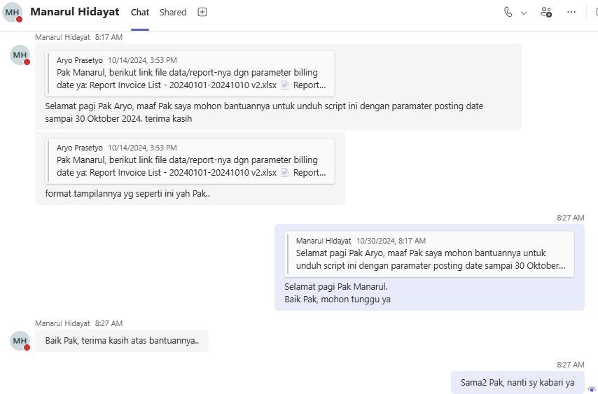

 | Aryo Prasetyo: Pak Manarul, berikut link file data/report-nya ya, Pak Report I...
 | sent on October 30, 2024 9:14 AM
...

20241031THU
...
select | begin tran;
join IFINAMS.dbo.REGISTER_DETAIL d | MOD_IP_ADDRESS = 'M-493151' -- 35.191.11.165
on c.CODE = d.REGISTER_CODE | where ID = 39937;

left join IFINAMS.dbo.SYS_GENERAL_SUBCODE e | rollback tran;
on d.SERVICE_CODE = e.CODE | --commit tran;

where a.CODE = '1000.ODM.2410.000097'

BEFORE

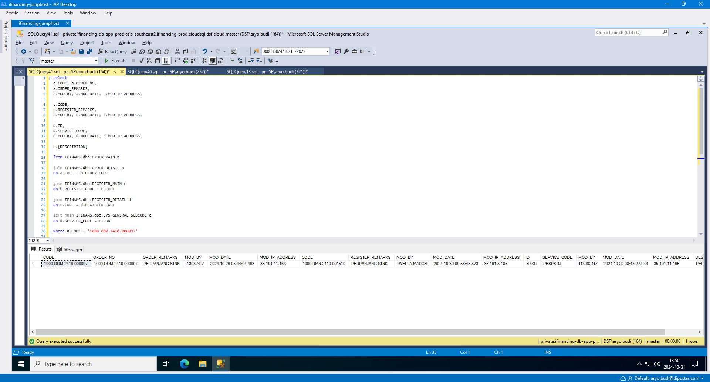
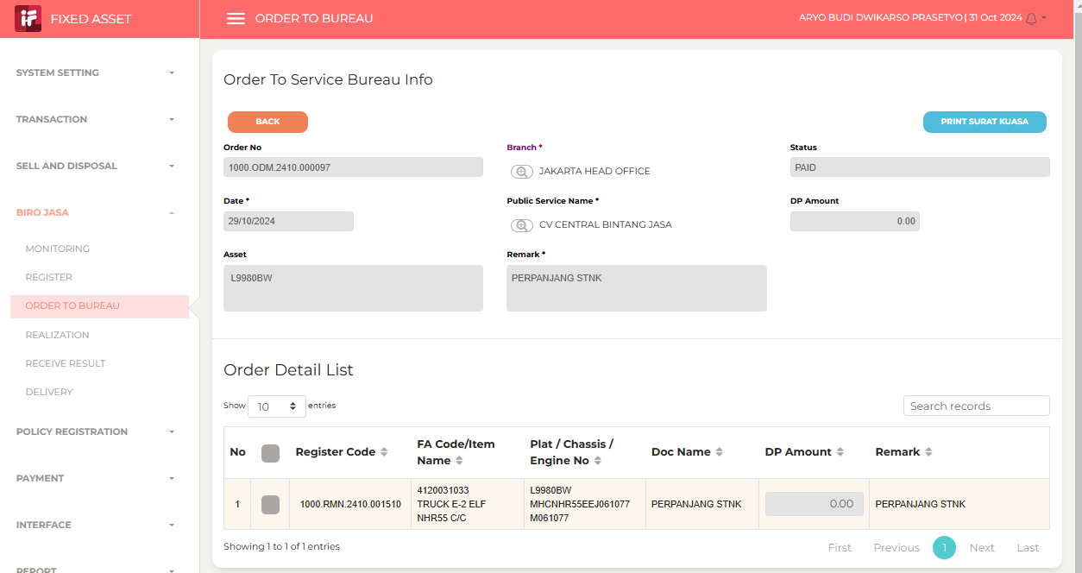

AFTER

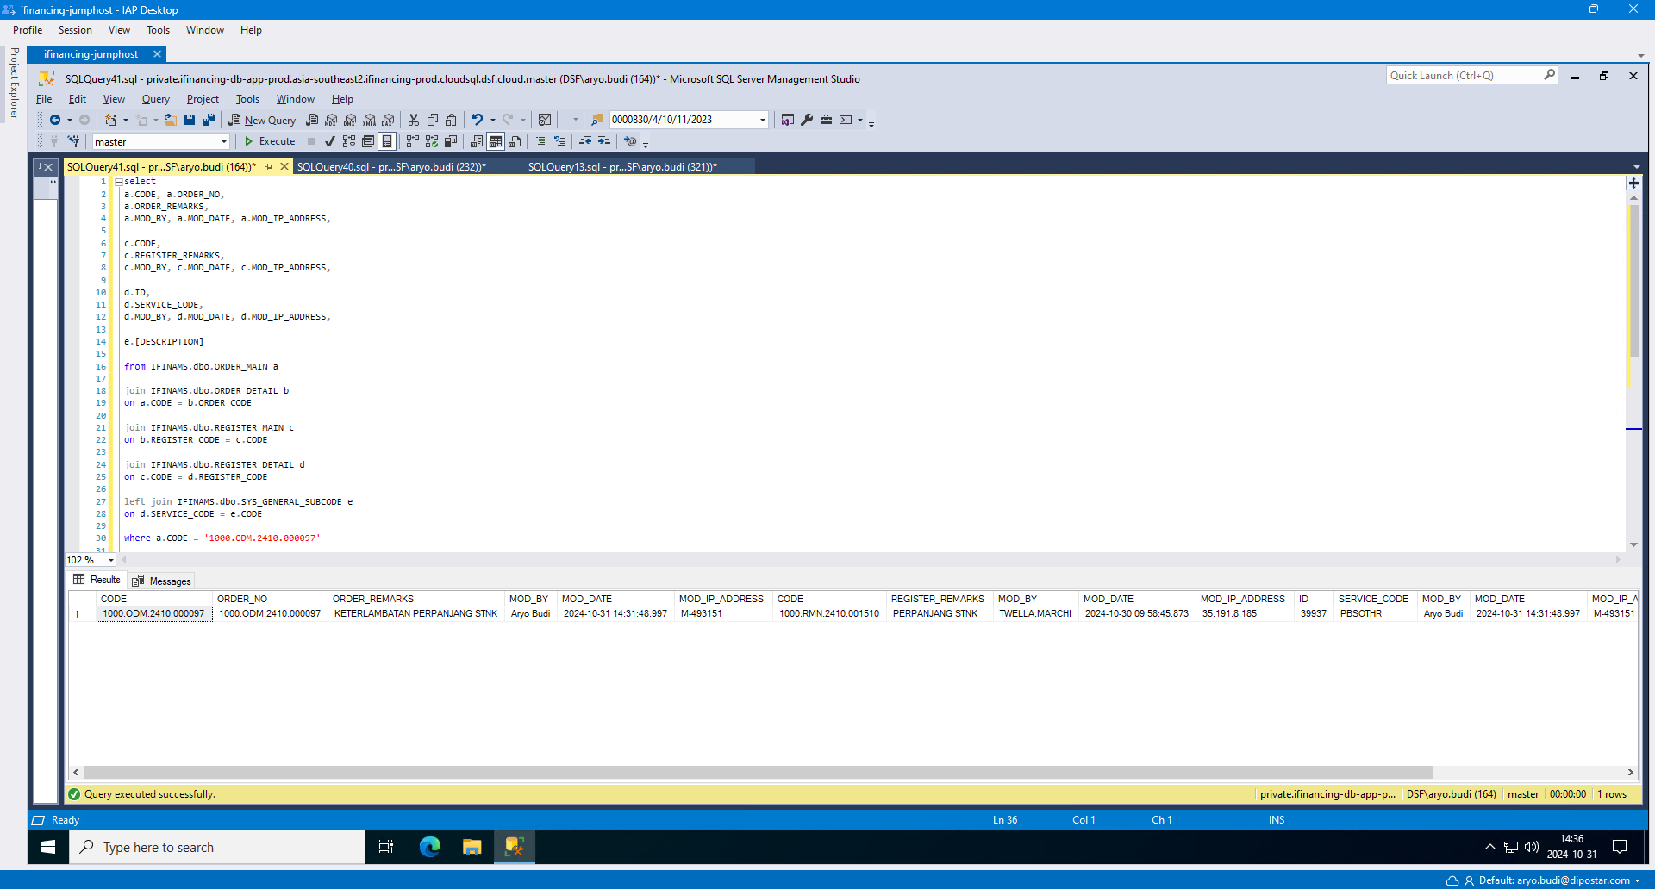
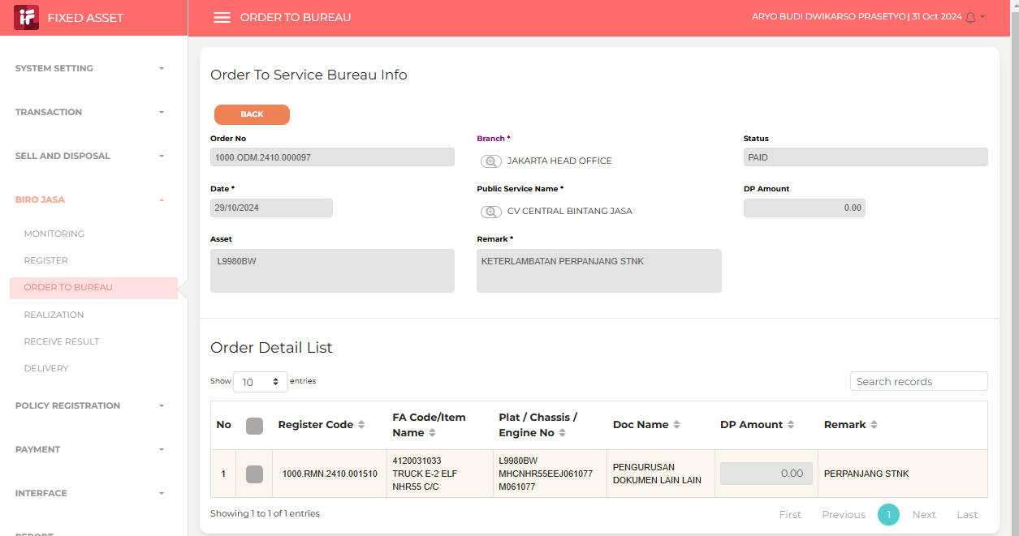

Aryo Prasetyo: Siang Pak Rafi. Tiket 493151 --> UBAH SERVICE TYPE --> done...
sent on October 31, 2024 2:48 PM

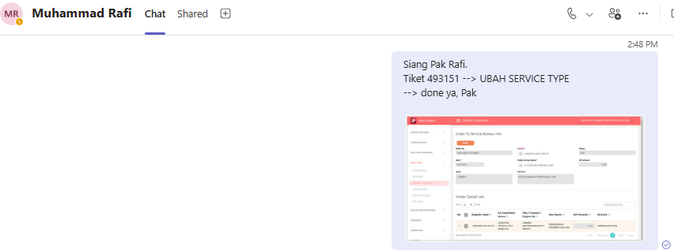
...

20241105TUE-20241106WED
Planned Leave

20241107THU
...
0 | 20241107THU-001
 | f-2329493
 | RAW DATA IFinancing : Daily Receive Borrowing Documents
 | Gusti Andi Fitrian Shah

 | RAW DATA IFinancing : Daily Receive Borrowing Documents

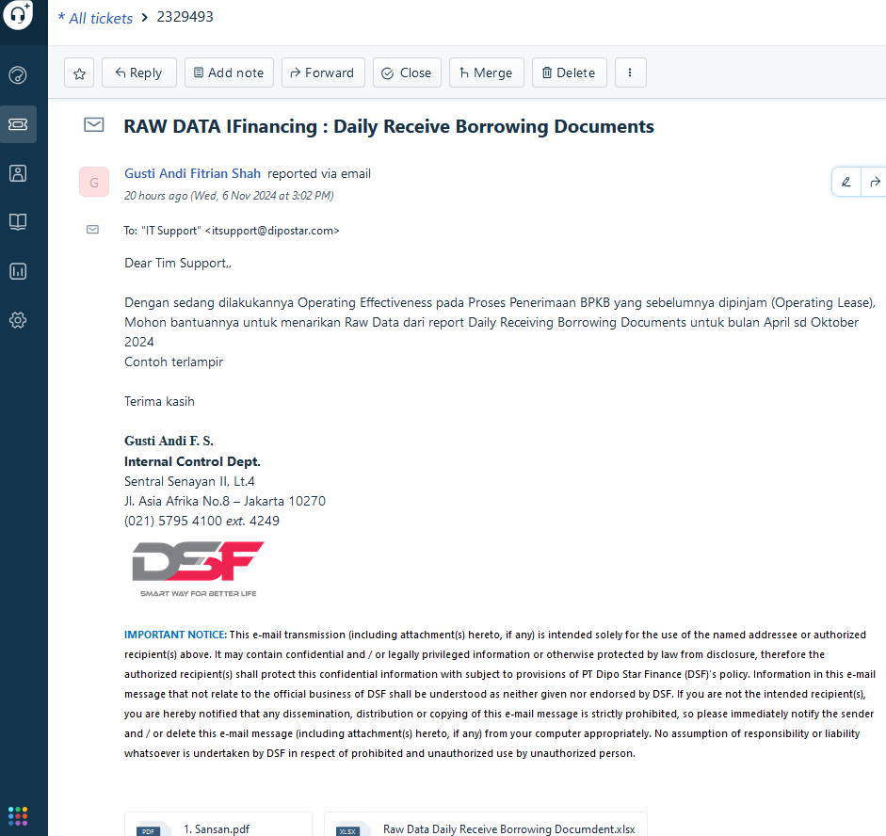

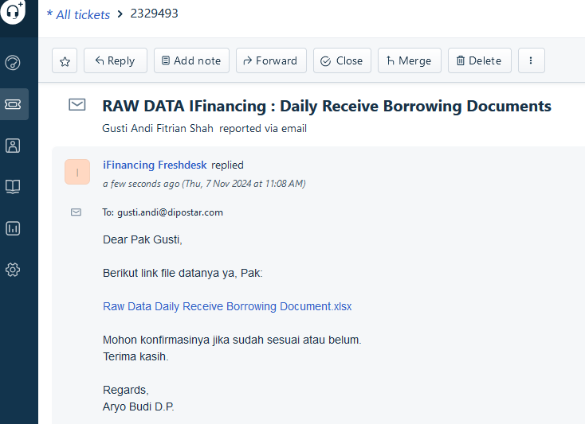

 | 20241111MON

 | Gusti Andi Fitrian Shah: Sore Pak
 | sent on Monday, November 11, 2024 14:49

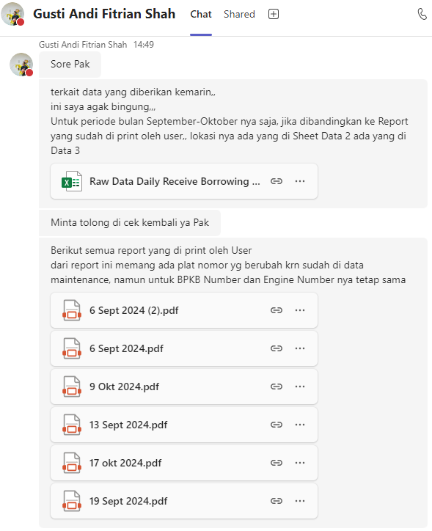

 | Aryo Budi Dwikarso Prasetyo (Guest): Sore Pak Gusti
 | sent on Monday, November 11, 2024 14:53

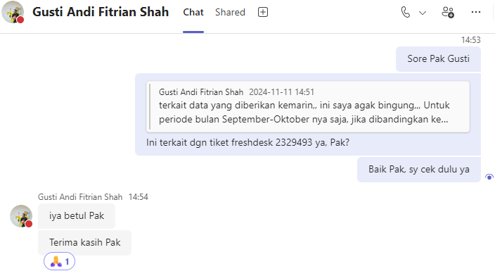

0

TEMPLATES
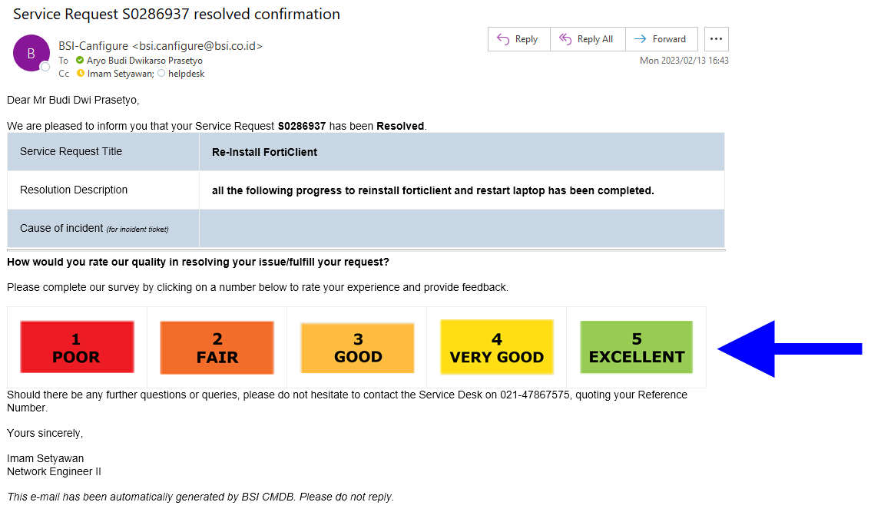
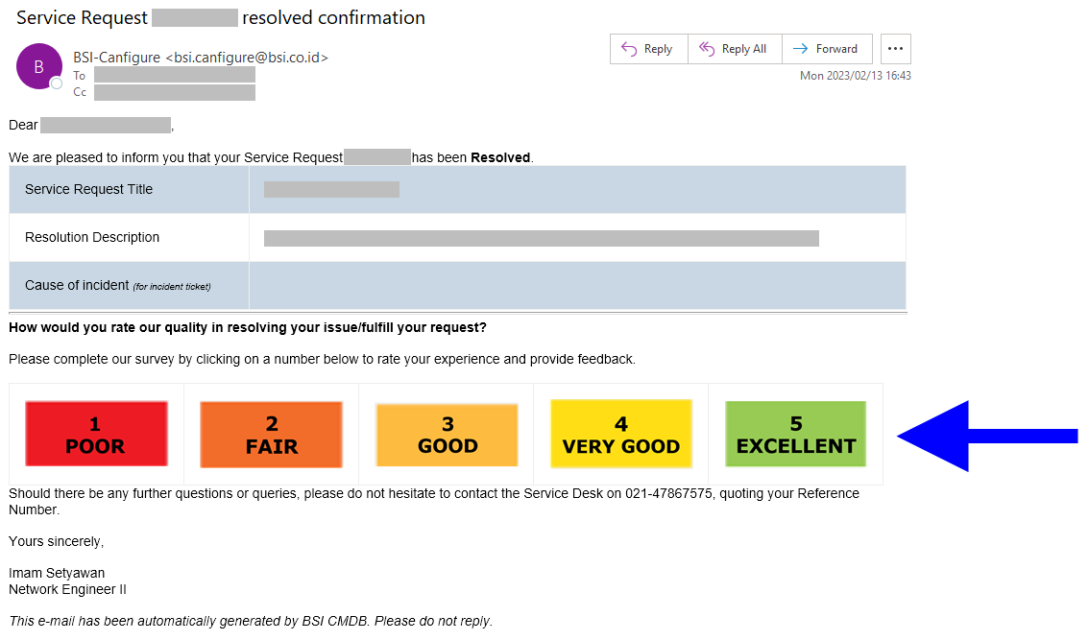
10
1
PKG_ACA060103W.DO_SEARCH
 |  |  |  |  |  |  |  |  |  |  | 20231110FRI

1
1
2
3
1
BEFORE
1. tb_r_credit_mgmt.usl_source_cd
2. tb_r_credit_mgmt.csp_source_cd
3. tb_r_credit_mgmt.bpkb_ktp_id_no
4. tb_r_credit_mgmt.bpkb_nm_jur_personality_cd
5. tb_r_credit_mgmt.bpkb_nm_occupation_cd
ACA

Auto Credit Approval
ACA

5

 | ← | ↓ | ↑ | → | ↔ | ↕ | ↙ | ↘ | ↖ | ↗
 | © | ™ | ®

Transparant Background Color




1 | 2 | 3 | 4



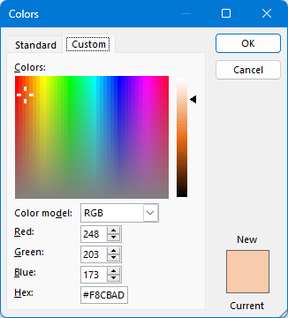
5 | 6 | 7

